README

Worksheet | Source | Years | Comments | Additional Comments
DATA 1 | IPHC Technical report 14 | 1929-1975 | Table 1 | References 'historic' IPHC statistical area definitions. Harvest in terms of dressed weight (head-off, eviscerated). Harvest in round (live) weight were computed by multiping the dressed weight by 1.33, a conversion factor derived from IPHC data sources. | Appendix Table 1 from Scientific 67 used to crossreference SE Alaska copy/pasted values. One interesting note is that the Canadian SEAK-Inside harvest in Technical Note 14 are all removed in Scientific Report 67, with the harvest moving to Charlotte-Inside.
AREA DEFINITIONS, 1929-1975
DATA 2 | IPHC Scientific report 67 | 1975-1982 | Appendix Table 1.
AREA DEFINITIONS, 1975-1982
DATA 3 | IPHC Data Request | 1982-present | Thanks Tom and IPHC staff!!!
AREA DEFINITIONS, 1982-present | IPHC Technical report 49
DATA 4 |  | 1880-2020 | IPHC Website | Source data in net (dressed?) metric tonnes

 |  | what's a significant review? | for inside POW waters, an avg. of 35 metric tons of yellow removals a year

 |  |  | from IPHC Scientific report 67 (1983)

 |  |  | H + G = dressed weight

SEAK
 |  |  |  |  |  |  |  |  |  |  |  |  |  |  |  |  |  |  | Yelloweye biomass bycatch
 |  |  |  |  |  | Year | 2C | ratio | Year | SE-I | SE-O | Catch in US Tons |  |  |  |  | Comment | Year | SE-I | SE-O | Catch in US Tons
 |  |  |  |  |  | 1888 | 332.50519764 | 1.00 | 1888 | 200 | 133 | 333 |  |  |  |  | lta se-i/se-o bycatch ratio, lta bycatch ratio | 1888 | 3 | 6 | 9 | 0.60143057813
 |  |  |  |  |  | 1889 | 292.59870963 | 1.00 | 1889 | 176 | 117 | 293 |  |  |  |  | lta se-i/se-o bycatch ratio, lta bycatch ratio | 1889 | 3 | 5 | 8 | 0.60143057813
 |  |  |  |  |  | 1890 | 312.55195364 | 1.00 | 1890 | 188 | 125 | 313 |  |  |  |  | lta se-i/se-o bycatch ratio, lta bycatch ratio | 1890 | 3 | 5 | 9 | 0.60143057813
 |  |  |  |  |  | 1891 | 485.44585998 | 1.00 | 1891 | 292 | 193 | 485 |  |  |  |  | lta se-i/se-o bycatch ratio, lta bycatch ratio | 1891 | 5 | 8 | 13 | 0.60143057813
 |  |  |  |  |  | 1892 | 625.10390727 | 1.00 | 1892 | 376 | 249 | 625 |  |  |  |  | lta se-i/se-o bycatch ratio, lta bycatch ratio | 1892 | 7 | 11 | 17 | 0.60143057813
 |  |  |  |  |  | 1893 | 724.85546657 | 1.00 | 1893 | 436 | 289 | 725 |  |  |  |  | lta se-i/se-o bycatch ratio, lta bycatch ratio | 1893 | 8 | 12 | 20 | 0.60143057813
 |  |  |  |  |  | 1894 | 851.20157738 | 1.00 | 1894 | 512 | 339 | 851 |  |  |  |  | lta se-i/se-o bycatch ratio, lta bycatch ratio | 1894 | 9 | 15 | 23 | 0.60143057813
 |  |  |  |  |  | 1895 | 964.25041243 | 1.00 | 1895 | 580 | 384 | 964 |  |  |  |  | lta se-i/se-o bycatch ratio, lta bycatch ratio | 1895 | 10 | 16 | 27 | 0.60143057813
 |  |  |  |  |  | 1896 | 1223.5986023 | 1.00 | 1896 | 736 | 488 | 1,224 |  |  |  |  | lta se-i/se-o bycatch ratio, lta bycatch ratio | 1896 | 13 | 21 | 34 | 0.60143057813
 |  |  |  |  |  | 1897 | 1489.6027604 | 1.00 | 1897 | 896 | 594 | 1,490 |  |  |  |  | lta se-i/se-o bycatch ratio, lta bycatch ratio | 1897 | 16 | 25 | 41 | 0.60143057813
 |  |  |  |  |  | 1898 | 1755.5922578 | 1.00 | 1898 | 1,056 | 700 | 1,756 |  |  |  |  | lta se-i/se-o bycatch ratio, lta bycatch ratio | 1898 | 18 | 30 | 48 | 0.60143057813
 |  |  |  |  |  | 1899 | 2021.5964159 | 1.00 | 1899 | 1,216 | 806 | 2,022 |  |  |  |  | lta se-i/se-o bycatch ratio, lta bycatch ratio | 1899 | 21 | 34 | 56 | 0.60143057813
 |  |  |  |  |  | 1900 | 3032.3946239 | 1.00 | 1900 | 1,824 | 1,209 | 3,032 |  |  |  |  | lta se-i/se-o bycatch ratio, lta bycatch ratio | 1900 | 32 | 52 | 83 | 0.60143057813
 |  |  |  |  |  | 1901 | 4043.1928318 | 1.00 | 1901 | 2,432 | 1,611 | 4,043 |  |  |  |  | lta se-i/se-o bycatch ratio, lta bycatch ratio | 1901 | 42 | 69 | 111 | 0.60143057813
 |  |  |  |  |  | 1902 | 5053.9910398 | 1.00 | 1902 | 3,040 | 2,014 | 5,054 |  |  |  |  | lta se-i/se-o bycatch ratio, lta bycatch ratio | 1902 | 53 | 86 | 139 | 0.60143057813
 |  |  |  |  |  | 1903 | 5699.0335303 | 1.00 | 1903 | 3,428 | 2,271 | 5,699 |  |  |  |  | lta se-i/se-o bycatch ratio, lta bycatch ratio | 1903 | 60 | 97 | 157 | 0.60143057813
 |  |  |  |  |  | 1904 | 6350.7319891 | 1.00 | 1904 | 3,820 | 2,531 | 6,351 |  |  |  |  | lta se-i/se-o bycatch ratio, lta bycatch ratio | 1904 | 67 | 108 | 175 | 0.60143057813
 |  |  |  |  |  | 1905 | 4974.1927245 | 1.00 | 1905 | 2,992 | 1,983 | 4,974 |  |  |  |  | lta se-i/se-o bycatch ratio, lta bycatch ratio | 1905 | 52 | 85 | 137 | 0.60143057813
 |  |  |  |  |  | 1906 | 8139.5894274 | 1.00 | 1906 | 4,895 | 3,244 | 8,140 |  |  |  |  | lta se-i/se-o bycatch ratio, lta bycatch ratio | 1906 | 85 | 139 | 224 | 0.60143057813
 |  |  |  |  |  | 1907 | 11304.97147 | 1.00 | 1907 | 6,799 | 4,506 | 11,305 |  |  |  |  | lta se-i/se-o bycatch ratio, lta bycatch ratio | 1907 | 118 | 193 | 311 | 0.60143057813
 |  |  |  |  |  | 1908 | 11444.629517 | 1.00 | 1908 | 6,883 | 4,561 | 11,445 |  |  |  |  | lta se-i/se-o bycatch ratio, lta bycatch ratio | 1908 | 120 | 195 | 315 | 0.60143057813
 |  |  |  |  |  | 1909 | 11584.272904 | 1.00 | 1909 | 6,967 | 4,617 | 11,584 |  |  |  |  | lta se-i/se-o bycatch ratio, lta bycatch ratio | 1909 | 121 | 197 | 319 | 0.60143057813
 |  |  |  |  |  | 1910 | 11723.930951 | 1.00 | 1910 | 7,051 | 4,673 | 11,724 |  |  |  |  | lta se-i/se-o bycatch ratio, lta bycatch ratio | 1910 | 123 | 200 | 323 | 0.60143057813
 |  |  |  |  |  | 1911 | 12874.372545 | 1.00 | 1911 | 7,743 | 5,131 | 12,874 |  |  |  |  | lta se-i/se-o bycatch ratio, lta bycatch ratio | 1911 | 135 | 219 | 354 | 0.60143057813
 |  |  |  |  |  | 1912 | 13459.569965 | 1.00 | 1912 | 8,095 | 5,365 | 13,460 |  |  |  |  | lta se-i/se-o bycatch ratio, lta bycatch ratio | 1912 | 141 | 229 | 370 | 0.60143057813
 |  |  |  |  |  | 1913 | 12535.22604 | 1.00 | 1913 | 7,539 | 4,996 | 12,535 |  |  |  |  | lta se-i/se-o bycatch ratio, lta bycatch ratio | 1913 | 131 | 214 | 345 | 0.60143057813
 |  |  |  |  |  | 1914 | 10054.778316 | 1.00 | 1914 | 6,047 | 4,008 | 10,055 |  |  |  |  | lta se-i/se-o bycatch ratio, lta bycatch ratio | 1914 | 105 | 171 | 277 | 0.60143057813
 |  |  |  |  |  | 1915 | 9955.0267565 | 1.00 | 1915 | 5,987 | 3,968 | 9,955 |  |  |  |  | lta se-i/se-o bycatch ratio, lta bycatch ratio | 1915 | 104 | 170 | 274 | 0.60143057813
 |  |  |  |  |  | 1916 | 6849.4897856 | 1.00 | 1916 | 4,119 | 2,730 | 6,849 |  |  |  |  | lta se-i/se-o bycatch ratio, lta bycatch ratio | 1916 | 72 | 117 | 188 | 0.60143057813
 |  |  |  |  |  | 1917 | 6962.5386207 | 1.00 | 1917 | 4,187 | 2,775 | 6,963 |  |  |  |  | lta se-i/se-o bycatch ratio, lta bycatch ratio | 1917 | 73 | 119 | 192 | 0.60143057813
 |  |  |  |  |  | 1918 | 5938.4431369 | 1.00 | 1918 | 3,572 | 2,367 | 5,938 |  |  |  |  | lta se-i/se-o bycatch ratio, lta bycatch ratio | 1918 | 62 | 101 | 163 | 0.60143057813
 |  |  |  |  |  | 1919 | 6018.2414522 | 1.00 | 1919 | 3,620 | 2,399 | 6,018 |  |  |  |  | lta se-i/se-o bycatch ratio, lta bycatch ratio | 1919 | 63 | 103 | 166 | 0.60143057813
 |  |  |  |  |  | 1920 | 7321.6383698 | 1.00 | 1920 | 4,403 | 2,918 | 7,322 |  |  |  |  | lta se-i/se-o bycatch ratio, lta bycatch ratio | 1920 | 77 | 125 | 201 | 0.60143057813
 |  |  |  |  |  | 1921 | 6796.2860218 | 1.00 | 1921 | 4,087 | 2,709 | 6,796 |  |  |  |  | lta se-i/se-o bycatch ratio, lta bycatch ratio | 1921 | 71 | 116 | 187 | 0.60143057813
 |  |  |  |  |  | 1922 | 6131.2902873 | 1.00 | 1922 | 3,688 | 2,444 | 6,131 |  |  |  |  | lta se-i/se-o bycatch ratio, lta bycatch ratio | 1922 | 64 | 104 | 169 | 0.60143057813
 |  |  |  |  |  | 1923 | 6463.7808242 | 1.00 | 1923 | 3,888 | 2,576 | 6,464 |  |  |  |  | lta se-i/se-o bycatch ratio, lta bycatch ratio | 1923 | 68 | 110 | 178 | 0.60143057813
 |  |  |  |  |  | 1924 | 6556.891076 | 1.00 | 1924 | 3,944 | 2,613 | 6,557 |  |  |  |  | lta se-i/se-o bycatch ratio, lta bycatch ratio | 1924 | 69 | 112 | 180 | 0.60143057813
IPHC Region | SE Alaska |  |  |  |  | 1925 | 5313.3392297 | 1.00 | 1925 | 3,196 | 2,118 | 5,313 |  |  |  |  | lta se-i/se-o bycatch ratio, lta bycatch ratio | 1925 | 56 | 91 | 146 | 0.60143057813
 |  |  |  |  |  | 1926 | 4768.0336377 | 1.00 | 1926 | 2,868 | 1,900 | 4,768 |  |  |  |  | lta se-i/se-o bycatch ratio, lta bycatch ratio | 1926 | 50 | 81 | 131 | 0.60143057813
Sum of Total Catch (US Tons, Round Weight) | IPHC Region 2 |  |  |  |  | 1927 | 4934.2862365 | 1.00 | 1927 | 2,968 | 1,967 | 4,934 |  |  |  |  | lta se-i/se-o bycatch ratio, lta bycatch ratio | 1927 | 52 | 84 | 136 | 0.60143057813
Year | SE-I | SE-O | Grand Total |  |  | 1928 | 5040.693764 | 1.00 | 1928 | 3,032 | 2,009 | 5,041 |  |  |  |  | lta se-i/se-o bycatch ratio, lta bycatch ratio | 1928 | 53 | 86 | 139 | 0.60143057813
1929 | 3195.99 | 3364.235 | 6560.225 | 0.48717688799 | 0.51282311201 | 1929 | 6550.2351077 | 1.00 | 1929 | 3,196 | 3,364 | 6,560 |  |  |  |  | lta bycatch ratio | 1929 | 56 | 144 | 199 | 0.48717688799
1930 | 2812.95 | 2861.495 | 5674.445 | 0.49572248916 | 0.50427751084 | 1930 | 5672.4389788 | 1.00 | 1930 | 2,813 | 2,861 | 5,674 |  |  |  |  | lta bycatch ratio | 1930 | 49 | 122 | 171 | 0.49572248916
1931 | 2310.875 | 2592.835 | 4903.71 | 0.47125033903 | 0.52874966097 | 1931 | 4914.3329925 | 1.00 | 1931 | 2,311 | 2,593 | 4,904 |  |  |  |  | lta bycatch ratio | 1931 | 40 | 111 | 151 | 0.47125033903
1932 | 2576.21 | 2567.565 | 5143.775 | 0.50084033613 | 0.49915966387 | 1932 | 5147.0866308 | 1.00 | 1932 | 2,576 | 2,568 | 5,144 |  |  |  |  | lta bycatch ratio | 1932 | 45 | 110 | 155 | 0.50084033613
1933 | 2874.13 | 2547.615 | 5421.745 | 0.53011161536 | 0.46988838464 | 1933 | 5419.7320965 | 1.00 | 1933 | 2,874 | 2,548 | 5,422 |  |  |  |  | lta bycatch ratio | 1933 | 50 | 109 | 159 | 0.53011161536
1934 | 2612.12 | 2465.155 | 5077.275 | 0.51447282253 | 0.48552717747 | 1934 | 5107.1948036 | 1.01 | 1934 | 2,612 | 2,465 | 5,077 |  |  |  |  | lta bycatch ratio | 1934 | 45 | 105 | 151 | 0.51447282253
1935 | 2602.81 | 2436.56 | 5039.37 | 0.51649511745 | 0.48350488255 | 1935 | 5040.693764 | 1.00 | 1935 | 2,603 | 2,437 | 5,039 |  |  |  |  | lta bycatch ratio | 1935 | 45 | 104 | 150 | 0.51649511745
1936 | 3277.785 | 2542.96 | 5820.745 | 0.56312121558 | 0.43687878442 | 1936 | 5818.7383336 | 1.00 | 1936 | 3,278 | 2,543 | 5,821 |  |  |  |  | lta bycatch ratio | 1936 | 57 | 109 | 166 | 0.56312121558
1937 | 3221.925 | 2011.625 | 5233.55 | 0.61562897078 | 0.38437102922 | 1937 | 5233.5409144 | 1.00 | 1937 | 3,222 | 2,012 | 5,234 |  |  |  |  | lta bycatch ratio | 1937 | 56 | 86 | 142 | 0.61562897078
1938 | 2939.965 | 1817.445 | 4757.41 | 0.61797595751 | 0.38202404249 | 1938 | 4754.7363619 | 1.00 | 1938 | 2,940 | 1,817 | 4,757 |  |  |  |  | lta bycatch ratio | 1938 | 51 | 78 | 129 | 0.61797595751
1939 | 2608.13 | 1751.61 | 4359.74 | 0.59823062843 | 0.40176937157 | 1939 | 4362.386093 | 1.00 | 1939 | 2,608 | 1,752 | 4,360 |  |  |  |  | lta bycatch ratio | 1939 | 45 | 75 | 120 | 0.59823062843
1940 | 3140.795 | 1923.845 | 5064.64 | 0.62014180672 | 0.37985819328 | 1940 | 5067.2883156 | 1.00 | 1940 | 3,141 | 1,924 | 5,065 |  |  |  |  | lta bycatch ratio | 1940 | 55 | 82 | 137 | 0.62014180672
1941 | 3156.755 | 1667.155 | 4823.91 | 0.65439757375 | 0.34560242625 | 1941 | 4821.2374014 | 1.00 | 1941 | 3,157 | 1,667 | 4,824 |  |  |  |  | lta bycatch ratio | 1941 | 55 | 71 | 126 | 0.65439757375
1942 | 3148.11 | 2403.31 | 5551.42 | 0.56708193579 | 0.43291806421 | 1942 | 5552.7341755 | 1.00 | 1942 | 3,148 | 2,403 | 5,551 |  |  |  |  | lta bycatch ratio | 1942 | 55 | 103 | 158 | 0.56708193579
1943 | 3584.35 | 1837.395 | 5421.745 | 0.66110634122 | 0.33889365878 | 1943 | 5419.7320965 | 1.00 | 1943 | 3,584 | 1,837 | 5,422 |  |  |  |  | lta bycatch ratio | 1943 | 62 | 79 | 141 | 0.66110634122
1944 | 3894.905 | 3007.795 | 6902.7 | 0.56425818882 | 0.43574181118 | 1944 | 6902.6788886 | 1.00 | 1944 | 3,895 | 3,008 | 6,903 |  |  |  |  | lta bycatch ratio | 1944 | 68 | 129 | 196 | 0.56425818882
1945 | 3687.425 | 1957.095 | 5644.52 | 0.65327521206 | 0.34672478794 | 1945 | 5645.8444273 | 1.00 | 1945 | 3,687 | 1,957 | 5,645 |  |  |  |  | lta bycatch ratio | 1945 | 64 | 84 | 148 | 0.65327521206
1946 | 3895.57 | 2684.605 | 6580.175 | 0.59201616978 | 0.40798383022 | 1946 | 6583.4856275 | 1.00 | 1946 | 3,896 | 2,685 | 6,580 |  |  |  |  | lta bycatch ratio | 1946 | 68 | 115 | 183 | 0.59201616978
1947 | 3857 | 2459.835 | 6316.835 | 0.61059058848 | 0.38940941152 | 1947 | 6317.4814694 | 1.00 | 1947 | 3,857 | 2,460 | 6,317 |  |  |  |  | lta bycatch ratio | 1947 | 67 | 105 | 172 | 0.61059058848
1948 | 3980.025 | 2505.72 | 6485.745 | 0.6136573362 | 0.3863426638 | 1948 | 6483.7340682 | 1.00 | 1948 | 3,980 | 2,506 | 6,486 |  |  |  |  | lta bycatch ratio | 1948 | 69 | 107 | 176 | 0.6136573362
1949 | 3535.14 | 2749.775 | 6284.915 | 0.56248016083 | 0.43751983917 | 1949 | 6284.2309496 | 1.00 | 1949 | 3,535 | 2,750 | 6,285 |  |  |  |  | lta bycatch ratio | 1949 | 62 | 118 | 179 | 0.56248016083
1950 | 3743.285 | 2131.99 | 5875.275 | 0.63712507074 | 0.36287492926 | 1950 | 5878.5834049 | 1.00 | 1950 | 3,743 | 2,132 | 5,875 |  |  |  |  | lta bycatch ratio | 1950 | 65 | 91 | 156 | 0.63712507074
1951 | 4089.75 | 2540.965 | 6630.715 | 0.61678868719 | 0.38321131281 | 1951 | 6630.033423 | 1.00 | 1951 | 4,090 | 2,541 | 6,631 |  |  |  |  | lta bycatch ratio | 1951 | 71 | 109 | 180 | 0.61678868719
1952 | 4045.86 | 2309.545 | 6355.405 | 0.63660144397 | 0.36339855603 | 1952 | 6357.3879574 | 1.00 | 1952 | 4,046 | 2,310 | 6,355 |  |  |  |  | lta bycatch ratio | 1952 | 70 | 99 | 169 | 0.63660144397
1953 | 3799.81 | 1792.84 | 5592.65 | 0.67942925089 | 0.32057074911 | 1953 | 5592.6406635 | 1.00 | 1953 | 3,800 | 1,793 | 5,593 |  |  |  |  | lta bycatch ratio | 1953 | 66 | 77 | 143 | 0.67942925089
1954 | 5343.275 | 1995.665 | 7338.94 | 0.72807176513 | 0.27192823487 | 1954 | 7341.5916138 | 1.00 | 1954 | 5,343 | 1,996 | 7,339 |  |  |  |  | lta bycatch ratio | 1954 | 93 | 85 | 178 | 0.72807176513
1955 | 4103.715 | 1577.38 | 5681.095 | 0.72234578017 | 0.27765421983 | 1955 | 5679.0949471 | 1.00 | 1955 | 4,104 | 1,577 | 5,681 |  |  |  |  | lta bycatch ratio | 1955 | 71 | 67 | 139 | 0.72234578017
1956 | 6945.26 | 2703.89 | 9649.15 | 0.71977946244 | 0.28022053756 | 1956 | 9649.1307711 | 1.00 | 1956 | 6,945 | 2,704 | 9,649 |  |  |  |  | lta bycatch ratio | 1956 | 121 | 116 | 237 | 0.71977946244
1957 | 5244.855 | 2902.06 | 8146.915 | 0.64378418088 | 0.35621581912 | 1957 | 8146.2307349 | 1.00 | 1957 | 5,245 | 2,902 | 8,147 |  |  |  |  | lta bycatch ratio | 1957 | 91 | 124 | 215 | 0.64378418088
1958 | 4540.62 | 2906.05 | 7446.67 | 0.60975174138 | 0.39024825862 | 1958 | 7447.9844806 | 1.00 | 1958 | 4,541 | 2,906 | 7,447 |  |  |  |  | lta bycatch ratio | 1958 | 79 | 124 | 203 | 0.60975174138
1959 | 4998.14 | 3667.475 | 8665.615 | 0.57677845139 | 0.42322154861 | 1959 | 8664.9271147 | 1.00 | 1959 | 4,998 | 3,667 | 8,666 |  |  |  |  | lta bycatch ratio | 1959 | 87 | 157 | 244 | 0.57677845139
1960 | 4831.89 | 3623.585 | 8455.475 | 0.57145104208 | 0.42854895792 | 1960 | 8458.7826886 | 1.00 | 1960 | 4,832 | 3,624 | 8,455 |  |  |  |  | lta bycatch ratio | 1960 | 84 | 155 | 239 | 0.57145104208
1961 | 4911.69 | 3258.5 | 8170.19 | 0.60117206577 | 0.39882793423 | 1961 | 8172.8399472 | 1.00 | 1961 | 4,912 | 3,259 | 8,170 |  |  |  |  | lta bycatch ratio | 1961 | 86 | 139 | 225 | 0.60117206577
1962 | 4773.37 | 4030.565 | 8803.935 | 0.54218596571 | 0.45781403429 | 1962 | 8804.585162 | 1.00 | 1962 | 4,773 | 4,031 | 8,804 |  |  |  |  | lta bycatch ratio | 1962 | 83 | 172 | 255 | 0.54218596571
1963 | 3805.13 | 3004.47 | 6809.6 | 0.5587890625 | 0.4412109375 | 1963 | 6809.5832976 | 1.00 | 1963 | 3,805 | 3,004 | 6,810 |  |  |  |  | lta bycatch ratio | 1963 | 66 | 128 | 195 | 0.5587890625
1964 | 2772.385 | 2171.225 | 4943.61 | 0.56080172182 | 0.43919827818 | 1964 | 4940.9422047 | 1.00 | 1964 | 2,772 | 2,171 | 4,944 |  |  |  |  | lta bycatch ratio | 1964 | 48 | 93 | 141 | 0.56080172182
1965 | 4481.435 | 3544.45 | 8025.885 | 0.55837269036 | 0.44162730964 | 1965 | 8026.5405924 | 1.00 | 1965 | 4,481 | 3,544 | 8,026 |  |  |  |  | lta bycatch ratio | 1965 | 78 | 152 | 230 | 0.55837269036
1966 | 4446.855 | 3559.08 | 8005.935 | 0.55544480439 | 0.44455519561 | 1966 | 8006.5873484 | 1.00 | 1966 | 4,447 | 3,559 | 8,006 |  |  |  |  | lta bycatch ratio | 1966 | 77 | 152 | 230 | 0.55544480439
1967 | 4138.96 | 1985.025 | 6123.985 | 0.67586057118 | 0.32413942882 | 1967 | 6257.6363981 | 1.02 | 1967 | 4,139 | 1,985 | 6,124 |  |  |  |  | lta bycatch ratio | 1967 | 72 | 85 | 157 | 0.67586057118
1968 | 2423.925 | 1639.89 | 4063.815 | 0.59646539028 | 0.40353460972 | 1968 | 4063.1460758 | 1.00 | 1968 | 2,424 | 1,640 | 4,064 |  |  |  |  | lta bycatch ratio | 1968 | 42 | 70 | 112 | 0.59646539028
1969 | 4095.735 | 2106.055 | 6201.79 | 0.66041175209 | 0.33958824791 | 1969 | 6204.4326343 | 1.00 | 1969 | 4,096 | 2,106 | 6,202 |  |  |  |  | lta bycatch ratio | 1969 | 71 | 90 | 161 | 0.66041175209
1970 | 4158.245 | 2070.81 | 6229.055 | 0.66755631472 | 0.33244368528 | 1970 | 6231.0418466 | 1.00 | 1970 | 4,158 | 2,071 | 6,229 |  |  |  |  | lta bycatch ratio | 1970 | 72 | 89 | 161 | 0.66755631472
1971 | 2834.895 | 1559.425 | 4394.32 | 0.64512711864 | 0.35487288136 | 1971 | 4395.6366128 | 1.00 | 1971 | 2,835 | 1,559 | 4,394 |  |  |  |  | lta bycatch ratio | 1971 | 49 | 67 | 116 | 0.64512711864
1972 | 2289.595 | 1554.105 | 3843.7 | 0.59567474048 | 0.40432525952 | 1972 | 3843.6897132 | 1.00 | 1972 | 2,290 | 1,554 | 3,844 |  |  |  |  | lta bycatch ratio | 1972 | 40 | 66 | 106 | 0.59567474048
1973 | 2652.02 | 1322.02 | 3974.04 | 0.66733601071 | 0.33266398929 | 1973 | 3976.6917923 | 1.00 | 1973 | 2,652 | 1,322 | 3,974 |  |  |  |  | lta bycatch ratio | 1973 | 46 | 57 | 103 | 0.66733601071
1974 | 2411.29 | 1536.15 | 3947.44 | 0.6108490566 | 0.3891509434 | 1974 | 3723.9995707 | 0.94 | 1974 | 2,411 | 1,536 | 3,947 |  |  |  |  | lta bycatch ratio | 1974 | 42 | 66 | 108 | 0.6108490566
1975 | 2695.245 | 1657.18 | 4352.425 | 0.6192513369 | 0.3807486631 | 1975 | 4149.5856986 | 0.95 | 1975 | 2,695 | 1,657 | 4,352 |  |  |  |  | lta bycatch ratio | 1975 | 47 | 71 | 118 | 0.6192513369
 |  |  |  |  |  | 1976 | 3677.4371144 | 1.00 | 1976 | 2,170 | 1,506 | 3,675 |  |  |  |  | lta bycatch ratio | 1976 | 38 | 64 | 102 | 0.59037452506
avg | 3,648.73 | 2,410.77 | 6,059.49 | 0.60 | 0.40 | 1977 | 2121.3479752 | 1.00 | 1977 | 1,091 | 1,027 | 2,119 |  |  |  |  | lta bycatch ratio | 1977 | 19 | 44 | 63 | 0.51506591337
cv | 27% | 28% | 24% | 10% | 15% | 1978 | 2872.7979933 | 1.00 | 1978 | 1,360 | 1,510 | 2,870 |  |  |  |  | lta bycatch ratio | 1978 | 24 | 65 | 88 | 0.47381835032
 |  |  |  |  |  | 1979 | 3012.4413799 | 1.00 | 1979 | 1,793 | 1,220 | 3,012 |  |  |  |  | lta bycatch ratio | 1979 | 31 | 52 | 83 | 0.59514348786
 |  |  |  |  |  | 1980 | 2154.598495 | 1.00 | 1980 | 1,491 | 662 | 2,153 |  |  |  |  | lta bycatch ratio | 1980 | 26 | 28 | 54 | 0.69240271773
Sum of Total Catch (US Tons, Round Weight) | Column Labels |  |  |  |  | 1981 | 2666.6389065 | 1.00 | 1981 | 1,923 | 743 | 2,667 |  |  |  |  | lta bycatch ratio | 1981 | 33 | 32 | 65 | 0.72119700748
Row Labels | SE-I | SE-O | Grand Total |  |  | 1982 | 2327.4924013 | 1.00 | 1982 | 1,526 | 792 | 2,318 |  |  |  |  | lta bycatch ratio | 1982 | 27 | 34 | 60 | 0.65824964132
1971 | 2731.82 | 1559.425 | 4291.245 | 0.63660313033 | 0.36339686967 | 1983 | 4242.6959504 | 1.01 | 1983 | 2,848 | 1,357 | 4,205 |  |  |  |  | lta bycatch ratio | 1983 | 50 | 58 | 108 | 0.67735974058
1972 | 2200.485 | 1546.79 | 3747.275 | 0.58722271517 | 0.41277728483 | 1984 | 3903.5494453 | 1.01 | 1984 | 2,397 | 1,465 | 3,862 |  |  |  |  | lta bycatch ratio | 1984 | 42 | 63 | 104 | 0.62068703739
1973 | 2511.04 | 1299.41 | 3810.45 | 0.6589877836 | 0.3410122164 | 1985 | 6124.634319 | 1.01 | 1985 | 4,014 | 2,065 | 6,079 |  |  |  |  | lta bycatch ratio | 1985 | 70 | 88 | 158 | 0.66033231244
1974 | 2203.81 | 1523.515 | 3727.325 | 0.59125780553 | 0.40874219447 | 1986 | 7055.6342117 | 1.01 | 1986 | 4,561 | 2,446 | 7,008 |  |  |  |  | lta bycatch ratio | 1986 | 79 | 105 | 184 | 0.65089958159
1975 | 2523.01 | 1628.585 | 4151.595 | 0.60772064712 | 0.39227935288 | 1987 | 7108.8379755 | 1.00 | 1987 | 4,632 | 2,473 | 7,106 |  |  |  |  | lta bycatch ratio | 1987 | 81 | 106 | 186 | 0.65190748344
1976 | 2169.895 | 1505.56 | 3675.455 | 0.59037452506 | 0.40962547494 | 1988 | 7554.3920082 | 1.00 | 1988 | 4,836 | 2,720 | 7,556 |  |  |  |  | lta bycatch ratio | 1988 | 84 | 116 | 201 | 0.6400411315
1977 | 1091.265 | 1027.425 | 2118.69 | 0.51506591337 | 0.48493408663 | 1989 | 6337.4347134 | 1.00 | 1989 | 3,798 | 2,523 | 6,321 |  |  |  |  | lta bycatch ratio | 1989 | 66 | 108 | 174 | 0.60087668437
1978 | 1359.925 | 1510.215 | 2870.14 | 0.47381835032 | 0.52618164968 | 1990 | 6470.4367924 | 1.00 | 1990 | 3,531 | 2,923 | 6,454 |  |  |  |  | lta bycatch ratio | 1990 | 61 | 125 | 186 | 0.54714366837
1979 | 1792.84 | 1219.61 | 3012.45 | 0.59514348786 | 0.40485651214 | 1991 | 5778.8318456 | 1.00 | 1991 | 3,700 | 2,076 | 5,777 |  |  |  |  | lta bycatch ratio | 1991 | 64 | 89 | 153 | 0.64057662048
1980 | 1490.93 | 662.34 | 2153.27 | 0.69240271773 | 0.30759728227 | 1992 | 6530.2818637 | 1.00 | 1992 | 4,149 | 2,380 | 6,530 |  |  |  |  | lta bycatch ratio | 1992 | 72 | 102 | 174 | 0.63545127975
1981 | 1923.18 | 743.47 | 2666.65 | 0.72119700748 | 0.27880299252 | 1993 | 7507.8295519 | 1.00 | 1993 | 4,093 | 3,415 | 7,508 |  |  |  |  | lta bycatch ratio | 1993 | 71 | 146 | 217 | 0.54510837727
1982 | 1525.51 | 792.015 | 2317.525 | 0.65824964132 | 0.34175035868 | 1994 | 6902.6788886 | 1.00 | 1994 | 3,398 | 3,504 | 6,902 |  |  |  |  | lta bycatch ratio | 1994 | 59 | 150 | 209 | 0.49231063342
 |  |  |  |  |  | 1995 | 5167.0398748 | 1.00 | 1995 | 3,095 | 2,068 | 5,163 |  |  |  |  | size limit change from >26 to >32, lta bycatch ratio | 1995 | 64 | 112 | 176 | 0.59938099835
avg | 1,960.31 | 1,251.53 | 3,211.84 | 0.61 | 0.39 | 1996 | 5898.5366489 | 1.02 | 1996 | 3,410 | 2,399 | 5,809 |  |  |  |  | lta bycatch ratio | 1996 | 71 | 130 | 201 | 0.58708325972
cv | 26% | 29% | 24% | 11% | 18% | 1997 | 6596.7829032 | 1.02 | 1997 | 4,070 | 2,416 | 6,486 | > 32" halibut | > 32" halibut | >26" halibut | >26" halibut | lta bycatch ratio | 1997 | 85 | 131 | 215 | 0.62745541264
 |  |  |  |  |  | 1998 | 6782.9887461 | 1.05 | 1998 | 4,051 | 2,379 | 6,431 | 2.1% | 6.8% | 0.018533682243 | 0.057776163502 | uses the observed wcpue value | 1998 | 85 | 161 | 247 | 0.63000706746
 |  |  |  |  |  | 1999 | 6743.0822581 | 1.03 | 1999 | 4,192 | 2,377 | 6,568 | 1.3% | 6.2% | 0.01180847003 | 0.048905985422 | uses the observed wcpue value | 1999 | 54 | 148 | 202 | 0.63812691114
IPHC Regulatory Area | 2C |  |  |  |  | 2000 | 5619.2352151 | 1.02 | 2000 | 3,310 | 2,187 | 5,497 | 1.7% | 5.5% | 0.015043162743 | 0.048970169796 | uses the observed wcpue value | 2000 | 55 | 120 | 175 | 0.60217634822
 |  |  |  |  |  | 2001 | 5585.9846953 | 1.02 | 2001 | 2,937 | 2,565 | 5,502 | 1.2% | 4.3% | 0.010663396076 | 0.037962397097 | uses the observed wcpue value | 2001 | 35 | 110 | 145 | 0.53382897647
Sum of Total Catch (US Tons, Round Weight) | Column Labels |  |  |  |  | 2002 | 5718.9867743 | 1.02 | 2002 | 2,928 | 2,695 | 5,622 | 3.7% | 3.0% | 0.03476668434 | 0.027387571142 | uses the observed wcpue value | 2002 | 109 | 81 | 190 | 0.52070404172
Row Labels | SE-I | SE-O | Grand Total |  |  | 2003 | 5592.6406635 | 1.01 | 2003 | 3,116 | 2,395 | 5,511 | 2.0% | 4.0% | 0.016399824732 | 0.033939211169 | uses the observed wcpue value | 2003 | 63 | 95 | 159 | 0.56535965099
1982 | 1590.5418383 | 717.05596193 | 2307.5978002 | 0.68926302414 | 0.31073697586 | 2004 | 6802.9419901 | 1.01 | 2004 | 3,767 | 2,961 | 6,728 | 5.3% | 6.7% | 0.032155109244 | 0.054941148706 | uses the observed wcpue value | 2004 | 200 | 198 | 397 | 0.55989191781
1983 | 2847.99205 | 1356.5566992 | 4204.5487492 | 0.67735974058 | 0.32264025942 | 2005 | 7068.9314875 | 1.01 | 2005 | 3,939 | 3,037 | 6,975 | 1.3% | 5.9% | 0.011042320298 | 0.049381461982 | uses the observed wcpue value | 2005 | 53 | 179 | 232 | 0.56466359796
1984 | 2397.321425 | 1465.0460494 | 3862.3674744 | 0.62068703739 | 0.37931296261 | 2006 | 6975.8358964 | 1.01 | 2006 | 3,902 | 3,012 | 6,914 | 2.2% | 6.4% | 0.018470257727 | 0.047170888038 | uses the observed wcpue value | 2006 | 85 | 193 | 278 | 0.56435538592
1985 | 4014.3991719 | 2064.9628346 | 6079.3620064 | 0.66033231244 | 0.33966768756 | 2007 | 5632.5324908 | 1.01 | 2007 | 3,052 | 2,498 | 5,550 | 2.5% | 7.6% | 0.017946442776 | 0.052480103648 | uses the observed wcpue value | 2007 | 76 | 189 | 265 | 0.54984415447
1986 | 4561.390747 | 2446.434847 | 7007.825594 | 0.65089958159 | 0.34910041841 | 2008 | 4129.6471154 | 1.01 | 2008 | 2,364 | 1,722 | 4,087 | 1.4% | 5.6% | 0.010508305094 | 0.042319469043 | uses the observed wcpue value | 2008 | 33 | 96 | 129 | 0.57856220405
1987 | 4632.2020391 | 2473.4105773 | 7105.6126164 | 0.65190748344 | 0.34809251656 | 2009 | 3298.398782 | 1.02 | 2009 | 1,922 | 1,313 | 3,235 | 2.4% | 7.2% | 0.019641247659 | 0.053154314764 | uses the observed wcpue value | 2009 | 46 | 94 | 141 | 0.59399075501
1988 | 4836.4259105 | 2720.0039382 | 7556.4298487 | 0.6400411315 | 0.3599588685 | 2010 | 2985.8468283 | 1.02 | 2010 | 1,770 | 1,150 | 2,919 | 2.4% | 9.9% | 0.018220144605 | 0.07858681638 | uses the observed wcpue value | 2010 | 42 | 114 | 156 | 0.60618691307
1989 | 3798.3001148 | 2522.9638211 | 6321.2639359 | 0.60087668437 | 0.39912331563 | 2011 | 1629.246147 | 1.04 | 2011 | 1,004 | 567 | 1,571 | 1.4% | 4.3% | 0.012833985016 | 0.033783808697 | uses the observed wcpue value | 2011 | 14 | 24 | 38 | 0.63910405973
1990 | 3531.4749562 | 2922.9083445 | 6454.3833007 | 0.54714366837 | 0.45285633163 | 2012 | 1788.8427776 | 1.04 | 2012 | 1,091 | 621 | 1,712 | 1.0% | 2.7% | 0.0098694022875 | 0.022213794411 | uses the observed wcpue value | 2012 | 11 | 17 | 28 | 0.63738333761
1991 | 3700.3664852 | 2076.2515913 | 5776.6180765 | 0.64057662048 | 0.35942337952 | 2013 | 2014.9404477 | 1.04 | 2013 | 1,243 | 694 | 1,937 | 1.3% | 3.3% | 0.011628264958 | 0.026680354442 | uses the observed wcpue value | 2013 | 16 | 23 | 39 | 0.64166225115
1992 | 4149.4244307 | 2380.4615935 | 6529.8860242 | 0.63545127975 | 0.36454872025 | 2014 | 2274.2886375 | 1.04 | 2014 | 1,427 | 751 | 2,178 | 0.9% | 4.9% | 0.0066318931534 | 0.036391599941 | uses the observed wcpue value | 2014 | 13 | 37 | 50 | 0.65524668506
1993 | 4092.5408254 | 3415.2154228 | 7507.7562483 | 0.54510837727 | 0.45489162273 | 2015 | 2507.0422759 | 1.05 | 2015 | 1,579 | 816 | 2,395 | 1.1% | 3.7% | 0.0089980452726 | 0.028068165973 | uses the observed wcpue value | 2015 | 17 | 30 | 47 | 0.65919941241
1994 | 3397.9157697 | 3504.0594042 | 6901.9751739 | 0.49231063342 | 0.50768936658 | 2016 | 2659.997599 | 1.03 | 2016 | 1,713 | 866 | 2,579 | 1.1% | 5.5% | 0.0098383149847 | 0.032619972498 | uses the observed wcpue value | 2016 | 20 | 48 | 67 | 0.66425972254
1995 | 3094.7320181 | 2068.4814081 | 5163.2134261 | 0.59938099835 | 0.40061900165 | 2017 | 2806.2969538 | 1.03 | 2017 | 1,729 | 997 | 2,725 | 3.2% | 4.0% | 0.03141488385 | 0.030295808828 | uses the observed wcpue value | 2017 | 55 | 40 | 96 | 0.63429985475
1996 | 3410.3773843 | 2398.64089 | 5809.0182743 | 0.58708325972 | 0.41291674028 | 2018 | 2413.9466848 | 1.06 | 2018 | 1,479 | 804 | 2,282 | 2.5% | 6.5% | 0.022900082014 | 0.051665905046 | uses the observed wcpue value | 2018 | 36 | 52 | 89 | 0.64786742035
1997 | 4069.5234903 | 2416.2337576 | 6485.757248 | 0.62745541264 | 0.37254458736 | 2019 | 2447.1972046 | 1.08 | 2019 | 1,511 | 763 | 2,274 | 1.9% | 5.1% | 0.017258449231 | 0.042981292318 | uses the observed wcpue value | 2019 | 29 | 39 | 67 | 0.66430275289
1998 | 4051.3441938 | 2379.2887357 | 6430.6329295 | 0.63000706746 | 0.36999293254 | 2020 | 2221.0995345 | 1.03 | 2020 | 1,364 | 787 | 2,151 | 3.9% | 5.3% | 0.033942697865 | 0.04571556195 | uses the observed wcpue value | 2020 | 53 | 42 | 95 | 0.63421949557
1999 | 4191.5007057 | 2376.94302 | 6568.4437257 | 0.63812691114 | 0.36187308886 |  |  |  | 2021 | 1,431 | 775 | 2,206 |  |  |  |  | lta bycatch ratio | 2021 | 30 | 42 | 72 | 0.64869715501
2000 | 3310.0980389 | 2186.7934427 | 5496.8914816 | 0.60217634822 | 0.39782365178 |  |  |  |  |  |  |  | 2.1% | 5.4% | 1.7% | 4.3%
2001 | 2936.9826386 | 2564.7468816 | 5501.7295202 | 0.53382897647 | 0.46617102353
2002 | 2927.5997759 | 2694.7874946 | 5622.3872705 | 0.52070404172 | 0.47929595828
2003 | 3115.8434592 | 2395.415531 | 5511.2589902 | 0.56535965099 | 0.43464034901
2004 | 3766.9261676 | 2961.0262243 | 6727.9523919 | 0.55989191781 | 0.44010808219
2005 | 3938.603234 | 3036.5289478 | 6975.1321817 | 0.56466359796 | 0.43533640204
2006 | 3901.9514264 | 3012.0455404 | 6913.9969668 | 0.56435538592 | 0.43564461408
2007 | 3051.7760997 | 2498.4804137 | 5550.2565133 | 0.54984415447 | 0.45015584553
2008 | 2364.4814054 | 1722.341738 | 4086.8231435 | 0.57856220405 | 0.42143779595
2009 | 1921.5809636 | 1313.4541736 | 3235.0351372 | 0.59399075501 | 0.40600924499
2010 | 1769.6958733 | 1149.6938977 | 2919.389771 | 0.60618691307 | 0.39381308693
2011 | 1003.966311 | 566.93015841 | 1570.8964695 | 0.63910405973 | 0.36089594027
2012 | 1091.3442201 | 620.88161905 | 1712.2258392 | 0.63738333761 | 0.36261666239
2013 | 1242.7894887 | 694.03862682 | 1936.8281155 | 0.64166225115 | 0.35833774885
2014 | 1427.2213841 | 750.92223206 | 2178.1436161 | 0.65524668506 | 0.34475331494
2015 | 1578.9598671 | 816.30905664 | 2395.2689237 | 0.65919941241 | 0.34080058759
2016 | 1712.8122681 | 865.71569315 | 2578.5279612 | 0.66425972254 | 0.33574027746
2017 | 1728.6458489 | 996.63594954 | 2725.2817985 | 0.63429985475 | 0.36570014525
2018 | 1478.6805218 | 803.70083486 | 2282.3813566 | 0.64786742035 | 0.35213257965
2019 | 1510.6408979 | 763.38384661 | 2274.0247445 | 0.66430275289 | 0.33569724711
2020 | 1364.0336679 | 786.69439618 | 2150.7280641 | 0.63421949557 | 0.36578050443
2021 | 1430.7399576 | 774.81921055 | 2205.5591681 | 0.64869715501 | 0.35130284499

avg | 2,873.58 | 1,892.01 | 4,765.59 | 0.61 | 0.39
cv | 40% | 47% | 42% | 8% | 12%

POW
 |  |  |  |  |  |  |  |  |  |  |  |  |  |  |  |  | Yelloweye biomass bycatch
 |  |  |  |  |  | Year | 3A | POW-I | POW-O | Catch (net t) | Yelloweye biomass removal (us tons) assuming a constant 4.3% rate of bycatch |  |  |  | Comment | Year | PWS-I | PWS-O | Catch in US Tons
 |  |  |  |  |  | 1888 | 0.0 | 0 | 0 | 0.0 | 0.0 |  |  |  | lta percent pws harvest in 3A, lta percent pws-i/pws-o, lta bycatch weight ratio | 1888 | 0 | 0 | 0
 |  |  |  |  |  | 1889 | 0.0 | 0 | 0 | 0.0 | 0.0 |  |  |  | lta percent pws harvest in 3A, lta percent pws-i/pws-o, lta bycatch weight ratio | 1889 | 0 | 0 | 0
 |  |  |  |  |  | 1890 | 0.0 | 0 | 0 | 0.0 | 0.0 |  |  |  | lta percent pws harvest in 3A, lta percent pws-i/pws-o, lta bycatch weight ratio | 1890 | 0 | 0 | 0
 |  |  |  |  |  | 1891 | 0.0 | 0 | 0 | 0.0 | 0.0 |  |  |  | lta percent pws harvest in 3A, lta percent pws-i/pws-o, lta bycatch weight ratio | 1891 | 0 | 0 | 0
 |  |  |  |  |  | 1892 | 0.0 | 0 | 0 | 0.0 | 0.0 |  |  |  | lta percent pws harvest in 3A, lta percent pws-i/pws-o, lta bycatch weight ratio | 1892 | 0 | 0 | 0
 |  |  |  |  |  | 1893 | 0.0 | 0 | 0 | 0.0 | 0.0 |  |  |  | lta percent pws harvest in 3A, lta percent pws-i/pws-o, lta bycatch weight ratio | 1893 | 0 | 0 | 0
 |  |  |  |  |  | 1894 | 0.0 | 0 | 0 | 0.0 | 0.0 |  |  |  | lta percent pws harvest in 3A, lta percent pws-i/pws-o, lta bycatch weight ratio | 1894 | 0 | 0 | 0
 |  |  |  |  |  | 1895 | 0.0 | 0 | 0 | 0.0 | 0.0 |  |  |  | lta percent pws harvest in 3A, lta percent pws-i/pws-o, lta bycatch weight ratio | 1895 | 0 | 0 | 0
 |  |  |  |  |  | 1896 | 0.0 | 0 | 0 | 0.0 | 0.0 |  |  |  | lta percent pws harvest in 3A, lta percent pws-i/pws-o, lta bycatch weight ratio | 1896 | 0 | 0 | 0
 |  |  |  |  |  | 1897 | 0.0 | 0 | 0 | 0.0 | 0.0 |  |  |  | lta percent pws harvest in 3A, lta percent pws-i/pws-o, lta bycatch weight ratio | 1897 | 0 | 0 | 0
 |  |  |  |  |  | 1898 | 0.0 | 0 | 0 | 0.0 | 0.0 |  |  |  | lta percent pws harvest in 3A, lta percent pws-i/pws-o, lta bycatch weight ratio | 1898 | 0 | 0 | 0
 |  |  |  |  |  | 1899 | 0.0 | 0 | 0 | 0.0 | 0.0 |  |  |  | lta percent pws harvest in 3A, lta percent pws-i/pws-o, lta bycatch weight ratio | 1899 | 0 | 0 | 0
 |  |  |  |  |  | 1900 | 0.0 | 0 | 0 | 0.0 | 0.0 |  |  |  | lta percent pws harvest in 3A, lta percent pws-i/pws-o, lta bycatch weight ratio | 1900 | 0 | 0 | 0
 |  |  |  |  |  | 1901 | 0.0 | 0 | 0 | 0.0 | 0.0 |  |  |  | lta percent pws harvest in 3A, lta percent pws-i/pws-o, lta bycatch weight ratio | 1901 | 0 | 0 | 0
 |  |  |  |  |  | 1902 | 0.0 | 0 | 0 | 0.0 | 0.0 |  |  |  | lta percent pws harvest in 3A, lta percent pws-i/pws-o, lta bycatch weight ratio | 1902 | 0 | 0 | 0
 |  |  |  |  |  | 1903 | 0.0 | 0 | 0 | 0.0 | 0.0 |  |  |  | lta percent pws harvest in 3A, lta percent pws-i/pws-o, lta bycatch weight ratio | 1903 | 0 | 0 | 0
 |  |  |  |  |  | 1904 | 0.0 | 0 | 0 | 0.0 | 0.0 |  |  |  | lta percent pws harvest in 3A, lta percent pws-i/pws-o, lta bycatch weight ratio | 1904 | 0 | 0 | 0
 |  |  |  |  |  | 1905 | 0.0 | 0 | 0 | 0.0 | 0.0 |  |  |  | lta percent pws harvest in 3A, lta percent pws-i/pws-o, lta bycatch weight ratio | 1905 | 0 | 0 | 0
 |  |  |  |  |  | 1906 | 0.0 | 0 | 0 | 0.0 | 0.0 |  |  |  | lta percent pws harvest in 3A, lta percent pws-i/pws-o, lta bycatch weight ratio | 1906 | 0 | 0 | 0
 |  |  |  |  |  | 1907 | 0.0 | 0 | 0 | 0.0 | 0.0 |  |  |  | lta percent pws harvest in 3A, lta percent pws-i/pws-o, lta bycatch weight ratio | 1907 | 0 | 0 | 0
 |  |  |  |  |  | 1908 | 0.0 | 0 | 0 | 0.0 | 0.0 |  |  |  | lta percent pws harvest in 3A, lta percent pws-i/pws-o, lta bycatch weight ratio | 1908 | 0 | 0 | 0
 |  |  |  |  |  | 1909 | 0.0 | 0 | 0 | 0.0 | 0.0 |  |  |  | lta percent pws harvest in 3A, lta percent pws-i/pws-o, lta bycatch weight ratio | 1909 | 0 | 0 | 0
 |  |  |  |  |  | 1910 | 0.0 | 0 | 0 | 0.0 | 0.0 |  |  |  | lta percent pws harvest in 3A, lta percent pws-i/pws-o, lta bycatch weight ratio | 1910 | 0 | 0 | 0
 |  |  |  |  |  | 1911 | 0.0 | 0 | 0 | 0.0 | 0.0 |  |  |  | lta percent pws harvest in 3A, lta percent pws-i/pws-o, lta bycatch weight ratio | 1911 | 0 | 0 | 0
 |  |  |  |  |  | 1912 | 571.9 | 8.9 | 46.9 | 55.8 | 0.4 |  |  |  | lta percent pws harvest in 3A, lta percent pws-i/pws-o, lta bycatch weight ratio | 1912 | 0.38343804127 | 2.0163297317 | 2.399767773
 |  |  |  |  |  | 1913 | 7,035.7 | 109.7 | 576.9 | 686.6 | 4.7 |  |  |  | lta percent pws harvest in 3A, lta percent pws-i/pws-o, lta bycatch weight ratio | 1913 | 4.7171656799 | 24.805471513 | 29.522637192
 |  |  |  |  |  | 1914 | 14,543.5 | 226.8 | 1,192.5 | 1,419.2 | 9.8 |  |  |  | lta percent pws harvest in 3A, lta percent pws-i/pws-o, lta bycatch weight ratio | 1914 | 9.7508994737 | 51.275633618 | 61.026533092
 |  |  |  |  |  | 1915 | 15,501.1 | 241.7 | 1,271.0 | 1,512.7 | 10.4 |  |  |  | lta percent pws harvest in 3A, lta percent pws-i/pws-o, lta bycatch weight ratio | 1915 | 10.392931378 | 54.651793199 | 65.044724576
 |  |  |  |  |  | 1916 | 12,342.4 | 192.4 | 1,012.0 | 1,204.4 | 8.3 |  |  |  | lta percent pws harvest in 3A, lta percent pws-i/pws-o, lta bycatch weight ratio | 1916 | 8.2751117304 | 43.515123746 | 51.790235477
 |  |  |  |  |  | 1917 | 11,278.4 | 175.9 | 924.7 | 1,100.6 | 7.6 |  |  |  | lta percent pws harvest in 3A, lta percent pws-i/pws-o, lta bycatch weight ratio | 1917 | 7.5617374874 | 39.763806607 | 47.325544095
 |  |  |  |  |  | 1918 | 7,235.2 | 112.8 | 593.2 | 706.0 | 4.9 |  |  |  | lta percent pws harvest in 3A, lta percent pws-i/pws-o, lta bycatch weight ratio | 1918 | 4.8509251935 | 25.508853168 | 30.359778361
 |  |  |  |  |  | 1919 | 8,578.5 | 133.8 | 703.4 | 837.1 | 5.8 |  |  |  | lta percent pws harvest in 3A, lta percent pws-i/pws-o, lta bycatch weight ratio | 1919 | 5.7515607896 | 30.244894286 | 35.996455076
 |  |  |  |  |  | 1920 | 9,037.3 | 140.9 | 741.0 | 881.9 | 6.1 |  |  |  | lta percent pws harvest in 3A, lta percent pws-i/pws-o, lta bycatch weight ratio | 1920 | 6.0592037391 | 31.862651418 | 37.921855157
 |  |  |  |  |  | 1921 | 9,808.7 | 152.9 | 804.2 | 957.2 | 6.6 |  |  |  | lta percent pws harvest in 3A, lta percent pws-i/pws-o, lta bycatch weight ratio | 1921 | 6.5763914644 | 34.582311116 | 41.15870258
 |  |  |  |  |  | 1922 | 7,733.9 | 120.6 | 634.1 | 754.7 | 5.2 |  |  |  | lta percent pws harvest in 3A, lta percent pws-i/pws-o, lta bycatch weight ratio | 1922 | 5.185314148 | 27.267255617 | 32.452569765
 |  |  |  |  |  | 1923 | 14,364.0 | 224.0 | 1,177.7 | 1,401.7 | 9.6 |  |  |  | lta percent pws harvest in 3A, lta percent pws-i/pws-o, lta bycatch weight ratio | 1923 | 9.6305178774 | 50.642600466 | 60.273118343
 |  |  |  |  |  | 1924 | 16,505.3 | 257.4 | 1,353.3 | 1,610.7 | 11.1 |  |  |  | lta percent pws harvest in 3A, lta percent pws-i/pws-o, lta bycatch weight ratio | 1924 | 11.066171869 | 58.192064828 | 69.258236697
IPHC Regulatory Area | 3A |  |  |  |  | 1925 | 14,736.4 | 229.8 | 1,208.3 | 1,438.0 | 9.9 |  |  |  | lta percent pws harvest in 3A, lta percent pws-i/pws-o, lta bycatch weight ratio | 1925 | 9.8801964051 | 51.955548543 | 61.835744948
 |  |  |  |  |  | 1926 | 13,971.6 | 217.8 | 1,145.6 | 1,363.4 | 9.4 |  |  |  | lta percent pws harvest in 3A, lta percent pws-i/pws-o, lta bycatch weight ratio | 1926 | 9.3674614324 | 49.259303886 | 58.626765319
Sum of Total Catch (US Tons, Round Weight) | Column Labels |  |  |  |  | 1927 | 15,042.3 | 234.5 | 1,233.3 | 1,467.9 | 10.1 |  |  |  | lta percent pws harvest in 3A, lta percent pws-i/pws-o, lta bycatch weight ratio | 1927 | 10.085288428 | 53.034036067 | 63.119324495
Row Labels | 0 | POW | % POW Harvest in 3A | Ratio of 3A Harvest data from the 1929-1975 IPHC Data to the 1888-2020 IPHC Data |  | 1928 | 14,989.1 | 233.7 | 1,229.0 | 1,462.7 | 10.0 |  |  |  | lta percent pws harvest in 3A, lta percent pws-i/pws-o, lta bycatch weight ratio | 1928 | 10.049617259 | 52.846457288 | 62.896074547
1929 | 17327.24 | 2052.855 | 0.10592595134 | 1.31 |  | 1929 | 14,809.5 | 250.7 | 1,318.1 | 1,568.7 | 10.8 | 250.65084921 | 1318.061082 | 1568.7119312 | lta percent pws-i/pws-o, scale harvest data, lta bycatch weight ratio | 1929 | 10.777986516 | 56.676626524 | 67.45461304
1930 | 14828.835 | 1599.325 | 0.09735265544 | 1.36 |  | 1930 | 12,096.3 | 188.2 | 989.4 | 1,177.6 | 8.1 | 188.16001385 | 989.44963567 | 1177.6096495 | lta percent pws-i/pws-o, scale harvest data, lta bycatch weight ratio | 1930 | 8.0908805955 | 42.546334334 | 50.637214929
1931 | 11755.87 | 867.825 | 0.068745719855 | 1.30 |  | 1931 | 9,715.6 | 106.7 | 561.2 | 667.9 | 4.6 | 106.71923239 | 561.18887028 | 667.90810267 | lta percent pws-i/pws-o, scale harvest data, lta bycatch weight ratio | 1931 | 4.5889269926 | 24.131121422 | 28.720048415
1932 | 12621.035 | 1092.595 | 0.079672194743 | 1.23 |  | 1932 | 11,112.1 | 141.5 | 743.9 | 885.3 | 6.1 | 141.45876205 | 743.86857073 | 885.32733278 | lta percent pws-i/pws-o, scale harvest data, lta bycatch weight ratio | 1932 | 6.0827267681 | 31.986348541 | 38.06907531
1933 | 13893.845 | 1464.995 | 0.095384482161 | 1.17 |  | 1933 | 13,080.5 | 199.4 | 1,048.3 | 1,247.7 | 8.6 | 199.35568072 | 1048.322657 | 1247.6783377 | lta percent pws-i/pws-o, scale harvest data, lta bycatch weight ratio | 1933 | 8.5722942711 | 45.077874251 | 53.650168522
1934 | 14612.045 | 929.67 | 0.059817722819 | 1.47 |  | 1934 | 10,560.2 | 100.9 | 530.8 | 631.7 | 4.3 | 100.93157991 | 530.7541859 | 631.68576582 | lta percent pws-i/pws-o, scale harvest data, lta bycatch weight ratio | 1934 | 4.3400579362 | 22.822429994 | 27.16248793
1935 | 14259.595 | 1461.67 | 0.092974070471 | 1.18 |  | 1935 | 13,273.4 | 197.2 | 1,036.9 | 1,234.1 | 8.5 | 197.18292917 | 1036.8971251 | 1234.0800543 | lta percent pws-i/pws-o, scale harvest data, lta bycatch weight ratio | 1935 | 8.4788659543 | 44.586576381 | 53.065442335
1936 | 15501.815 | 1427.09 | 0.084299014024 | 1.27 |  | 1936 | 13,359.8 | 179.9 | 946.3 | 1,126.2 | 7.7 | 179.94883143 | 946.27068767 | 1126.2195191 | lta percent pws-i/pws-o, scale harvest data, lta bycatch weight ratio | 1936 | 7.7377997515 | 40.68963957 | 48.427439321
1937 | 15575.63 | 1148.455 | 0.068670722494 | 1.23 |  | 1937 | 13,612.5 | 149.4 | 785.4 | 934.8 | 6.4 | 149.36068507 | 785.4212614 | 934.78194647 | lta percent pws-i/pws-o, scale harvest data, lta bycatch weight ratio | 1937 | 6.4225094579 | 33.77311424 | 40.195623698
1938 | 15358.175 | 1348.62 | 0.080722843609 | 1.22 |  | 1938 | 13,738.9 | 177.2 | 931.8 | 1,109.0 | 7.6 | 177.20398794 | 931.83677933 | 1109.0407673 | lta percent pws-i/pws-o, scale harvest data, lta bycatch weight ratio | 1938 | 7.6197714813 | 40.068981511 | 47.688752993
1939 | 15579.62 | 1068.655 | 0.064190133813 | 1.18 |  | 1939 | 14,071.4 | 144.3 | 758.9 | 903.2 | 6.2 | 144.32143819 | 758.92210844 | 903.24354663 | lta percent pws-i/pws-o, scale harvest data, lta bycatch weight ratio | 1939 | 6.2058218421 | 32.633650663 | 38.839472505
1940 | 15968.645 | 1593.34 | 0.090726646219 | 1.17 |  | 1940 | 14,962.5 | 216.9 | 1,140.6 | 1,357.5 | 9.3 | 216.90228664 | 1140.5924357 | 1357.4947223 | lta percent pws-i/pws-o, scale harvest data, lta bycatch weight ratio | 1940 | 9.3267983256 | 49.045474734 | 58.37227306
1941 | 16751.35 | 1484.28 | 0.081394500766 | 1.26 |  | 1941 | 14,523.6 | 188.9 | 993.3 | 1,182.1 | 8.1 | 188.88370137 | 993.25518573 | 1182.1388871 | lta percent pws-i/pws-o, scale harvest data, lta bycatch weight ratio | 1941 | 8.1219991588 | 42.709972986 | 50.831972145
1942 | 16499.315 | 1393.84 | 0.077897944773 | 1.25 |  | 1942 | 14,297.5 | 178.0 | 935.8 | 1,113.7 | 7.7 | 177.95545439 | 935.78840639 | 1113.7438608 | lta percent pws-i/pws-o, scale harvest data, lta bycatch weight ratio | 1942 | 7.6520845386 | 40.238901475 | 47.890986014
1943 | 16023.84 | 1747.62 | 0.09833857207 | 1.30 |  | 1943 | 13,639.1 | 214.3 | 1,126.9 | 1,341.3 | 9.2 | 214.30693435 | 1126.9446349 | 1341.2515693 | lta percent pws-i/pws-o, scale harvest data, lta bycatch weight ratio | 1943 | 9.2151981771 | 48.458619302 | 57.673817479
1944 | 15232.49 | 1298.745 | 0.078563095861 | 1.22 |  | 1944 | 13,539.4 | 170.0 | 893.7 | 1,063.7 | 7.3 | 169.95853195 | 893.73615612 | 1063.6946881 | lta percent pws-i/pws-o, scale harvest data, lta bycatch weight ratio | 1944 | 7.3082168737 | 38.430654713 | 45.738871587
1945 | 16499.98 | 1053.36 | 0.060009092287 | 1.32 |  | 1945 | 13,346.5 | 128.0 | 672.9 | 800.9 | 5.5 | 127.97086827 | 672.9417499 | 800.91261817 | lta percent pws-i/pws-o, scale harvest data, lta bycatch weight ratio | 1945 | 5.5027473354 | 28.936495246 | 34.439242581
1946 | 16795.905 | 1519.525 | 0.082964200131 | 1.23 |  | 1946 | 14,896.0 | 197.5 | 1,038.4 | 1,235.8 | 8.5 | 197.46288132 | 1038.3692687 | 1235.83215 | lta percent pws-i/pws-o, scale harvest data, lta bycatch weight ratio | 1946 | 8.4909038969 | 44.649878555 | 53.140782452
1947 | 15566.32 | 1859.34 | 0.10670126698 | 1.28 |  | 1947 | 13,592.6 | 231.7 | 1,218.6 | 1,450.3 | 10.0 | 231.7379712 | 1218.6066874 | 1450.3446586 | lta percent pws-i/pws-o, scale harvest data, lta bycatch weight ratio | 1947 | 9.9647327618 | 52.400087558 | 62.36482032
1948 | 14810.88 | 1610.63 | 0.098080505386 | 1.24 |  | 1948 | 13,253.4 | 207.7 | 1,092.2 | 1,299.9 | 8.9 | 207.70015379 | 1092.2025211 | 1299.9026749 | lta percent pws-i/pws-o, scale harvest data, lta bycatch weight ratio | 1948 | 8.9311066131 | 46.964708408 | 55.895815021
1949 | 15443.96 | 1957.095 | 0.11246990484 | 1.24 |  | 1949 | 14,044.8 | 252.4 | 1,327.2 | 1,579.6 | 10.9 | 252.39274033 | 1327.2209109 | 1579.6136512 | lta percent pws-i/pws-o, scale harvest data, lta bycatch weight ratio | 1949 | 10.852887834 | 57.070499167 | 67.923387001
1950 | 16517.935 | 2091.425 | 0.11238564894 | 1.17 |  | 1950 | 15,866.9 | 284.9 | 1,498.3 | 1,783.2 | 12.3 | 284.92348521 | 1498.2855968 | 1783.209082 | lta percent pws-i/pws-o, scale harvest data, lta bycatch weight ratio | 1950 | 12.251709864 | 64.426280661 | 76.677990526
1951 | 14217.7 | 2028.25 | 0.1248465002 | 1.17 |  | 1951 | 13,871.9 | 276.7 | 1,455.1 | 1,731.9 | 11.9 | 276.71803948 | 1455.1368155 | 1731.854855 | lta percent pws-i/pws-o, scale harvest data, lta bycatch weight ratio | 1951 | 11.898875698 | 62.570883065 | 74.469758763
1952 | 16826.495 | 3062.325 | 0.15397218136 | 1.10 |  | 1952 | 18,134.5 | 446.1 | 2,346.1 | 2,792.2 | 19.2 | 446.14293593 | 2346.0668204 | 2792.2097563 | lta percent pws-i/pws-o, scale harvest data, lta bycatch weight ratio | 1952 | 19.184146245 | 100.88087328 | 120.06501952
1953 | 14596.75 | 2420.6 | 0.1422430637 | 1.12 |  | 1953 | 15,188.6 | 345.2 | 1,815.3 | 2,160.5 | 14.8 | 345.20247349 | 1815.2659252 | 2160.4683987 | lta percent pws-i/pws-o, scale harvest data, lta bycatch weight ratio | 1953 | 14.84370636 | 78.056434783 | 92.900141143
1954 | 19094.81 | 2740.465 | 0.12550631948 | 1.11 |  | 1954 | 19,590.9 | 392.9 | 2,065.9 | 2,458.8 | 16.9 | 392.86657549 | 2065.9101901 | 2458.7767656 | lta percent pws-i/pws-o, scale harvest data, lta bycatch weight ratio | 1954 | 16.893262746 | 88.834138174 | 105.72740092
1955 | 16156.175 | 2395.995 | 0.12914904294 | 1.21 |  | 1955 | 15,334.9 | 316.4 | 1,664.0 | 1,980.5 | 13.6 | 316.44423441 | 1664.0391656 | 1980.4834 | lta percent pws-i/pws-o, scale harvest data, lta bycatch weight ratio | 1955 | 13.60710208 | 71.553684121 | 85.160786201
1956 | 17962.315 | 2397.325 | 0.11774888947 | 1.38 |  | 1956 | 14,703.1 | 276.6 | 1,454.7 | 1,731.3 | 11.9 | 276.62559162 | 1454.6506734 | 1731.276265 | lta percent pws-i/pws-o, scale harvest data, lta bycatch weight ratio | 1956 | 11.89490044 | 62.549978954 | 74.444879394
1957 | 17121.09 | 2117.36 | 0.11005876253 | 1.27 |  | 1957 | 15,195.2 | 267.2 | 1,405.2 | 1,672.4 | 11.5 | 267.21307353 | 1405.1544366 | 1672.3675101 | lta percent pws-i/pws-o, scale harvest data, lta bycatch weight ratio | 1957 | 11.490162162 | 60.421640772 | 71.911802934
1958 | 18072.04 | 1699.075 | 0.085937237227 | 1.21 |  | 1958 | 16,305.8 | 223.9 | 1,177.4 | 1,401.3 | 9.6 | 223.89725601 | 1177.3758614 | 1401.2731174 | lta percent pws-i/pws-o, scale harvest data, lta bycatch weight ratio | 1958 | 9.6275820084 | 50.62716204 | 60.254744048
1959 | 17141.705 | 2978.535 | 0.14803675304 | 1.19 |  | 1959 | 16,864.4 | 398.9 | 2,097.6 | 2,496.5 | 17.2 | 398.90128708 | 2097.6440483 | 2496.5453354 | lta percent pws-i/pws-o, scale harvest data, lta bycatch weight ratio | 1959 | 17.152755345 | 90.198694076 | 107.35144942
1960 | 17565.31 | 2357.425 | 0.11832838212 | 1.42 |  | 1960 | 13,998.2 | 264.7 | 1,391.7 | 1,656.4 | 11.4 | 264.65963498 | 1391.7270415 | 1656.3866765 | lta percent pws-i/pws-o, scale harvest data, lta bycatch weight ratio | 1960 | 11.380364304 | 59.844262785 | 71.224627089
1961 | 20399.54 | 2145.29 | 0.095156627928 | 1.47 |  | 1961 | 15,341.5 | 233.3 | 1,226.6 | 1,459.8 | 10.0 | 233.2563629 | 1226.5912325 | 1459.8475954 | lta percent pws-i/pws-o, scale harvest data, lta bycatch weight ratio | 1961 | 10.030023605 | 52.743422996 | 62.773446601
1962 | 20225.975 | 2787.68 | 0.12113156298 | 1.44 |  | 1962 | 15,986.6 | 309.4 | 1,627.1 | 1,936.5 | 13.3 | 309.41294018 | 1627.0647236 | 1936.4776638 | lta percent pws-i/pws-o, scale harvest data, lta bycatch weight ratio | 1962 | 13.304756428 | 69.963783116 | 83.268539543
1963 | 19763.135 | 2164.575 | 0.098714138412 | 1.48 |  | 1963 | 14,836.1 | 234.0 | 1,230.5 | 1,464.5 | 10.1 | 234.00535246 | 1230.5298347 | 1464.5351872 | lta percent pws-i/pws-o, scale harvest data, lta bycatch weight ratio | 1963 | 10.062230156 | 52.912782892 | 62.975013048
1964 | 19801.04 | 2233.07 | 0.10134604938 | 1.47 |  | 1964 | 15,002.4 | 242.9 | 1,277.5 | 1,520.4 | 10.4 | 242.93655274 | 1277.4950356 | 1520.4315884 | lta percent pws-i/pws-o, scale harvest data, lta bycatch weight ratio | 1964 | 10.446271768 | 54.932286533 | 65.3785583
1965 | 19533.045 | 2876.125 | 0.1283458959 | 1.47 |  | 1965 | 15,281.7 | 313.4 | 1,648.0 | 1,961.3 | 13.5 | 313.38527907 | 1647.9534831 | 1961.3387622 | lta percent pws-i/pws-o, scale harvest data, lta bycatch weight ratio | 1965 | 13.475567 | 70.861999773 | 84.337566774
1966 | 19966.625 | 2927.995 | 0.12789008946 | 1.34 |  | 1966 | 17,137.0 | 350.2 | 1,841.5 | 2,191.7 | 15.1 | 350.18554843 | 1841.469695 | 2191.6552434 | lta percent pws-i/pws-o, scale harvest data, lta bycatch weight ratio | 1966 | 15.057978583 | 79.183196884 | 94.241175467
1967 | 19328.89 | 1250.865 | 0.060781335832 | 1.57 |  | 1967 | 13,073.9 | 127.0 | 667.7 | 794.6 | 5.5 | 126.96983982 | 667.67778754 | 794.64762736 | lta percent pws-i/pws-o, scale harvest data, lta bycatch weight ratio | 1967 | 5.4597031122 | 28.710144864 | 34.169847976
1968 | 17021.34 | 1075.305 | 0.059420130085 | 1.84 |  | 1968 | 9,822.0 | 93.3 | 490.4 | 583.6 | 4.0 | 93.252524963 | 490.37345907 | 583.62598403 | lta percent pws-i/pws-o, scale harvest data, lta bycatch weight ratio | 1968 | 4.0098585734 | 21.08605874 | 25.095917313
1969 | 18131.225 | 2173.885 | 0.1070609812 | 1.52 |  | 1969 | 13,353.2 | 228.4 | 1,201.2 | 1,429.6 | 9.8 | 228.42404028 | 1201.180202 | 1429.6042422 | lta percent pws-i/pws-o, scale harvest data, lta bycatch weight ratio | 1969 | 9.8222337322 | 51.650748684 | 61.472982417
1970 | 18139.205 | 2033.57 | 0.10080764793 | 1.52 |  | 1970 | 13,240.1 | 213.3 | 1,121.4 | 1,334.7 | 9.2 | 213.26110483 | 1121.4450837 | 1334.7061885 | lta percent pws-i/pws-o, scale harvest data, lta bycatch weight ratio | 1970 | 9.1702275075 | 48.222138597 | 57.392366105
1971 | 15820.35 | 1520.855 | 0.087701806189 | 1.47 |  | 1971 | 11,810.4 | 165.5 | 870.3 | 1,035.8 | 7.1 | 165.50001709 | 870.29081398 | 1035.7908311 | lta percent pws-i/pws-o, scale harvest data, lta bycatch weight ratio | 1971 | 7.1165007348 | 37.422505001 | 44.539005736
1972 | 14741.055 | 1000.16 | 0.063537662118 | 1.45 |  | 1972 | 10,839.5 | 110.0 | 578.7 | 688.7 | 4.7 | 110.04380888 | 578.67133606 | 688.71514494 | lta percent pws-i/pws-o, scale harvest data, lta bycatch weight ratio | 1972 | 4.731883782 | 24.882867451 | 29.614751232
1973 | 10679.235 | 850.535 | 0.073768600761 | 1.28 |  | 1973 | 8,977.5 | 105.8 | 556.4 | 662.3 | 4.6 | 105.81614307 | 556.43992616 | 662.25606923 | lta percent pws-i/pws-o, scale harvest data, lta bycatch weight ratio | 1973 | 4.5500941522 | 23.926916825 | 28.477010977
1974 | 5864.635 | 511.385 | 0.080204422194 | 1.17 |  | 1974 | 5,446.3 | 69.8 | 367.0 | 436.8 | 3.0 | 69.795777441 | 367.0248803 | 436.82065774 | lta percent pws-i/pws-o, scale harvest data, lta bycatch weight ratio | 1974 | 3.00121843 | 15.782069853 | 18.783288283
1975 | 7318.325 | 1069.32 | 0.12748751288 | 1.19 |  | 1975 | 7,049.0 | 143.6 | 755.1 | 898.7 | 6.2 | 143.5888452 | 755.06972849 | 898.65857369 | lta percent pws-i/pws-o, scale harvest data, lta bycatch weight ratio | 1975 | 6.1743203436 | 32.467998325 | 38.642318669
 |  |  |  |  |  | 1976 | 7,341.6 | 114.5 | 602.0 | 716.4 | 4.9 |  |  |  | lta percent pws harvest in 3A, lta percent pws-i/pws-o, lta bycatch weight ratio | 1976 | 4.9222675325 | 25.884010726 | 30.806278259
 |  | avg | 10% | 1.31 |  | 1977 | 5,745.6 | 89.6 | 471.1 | 560.7 | 3.9 |  |  |  | lta percent pws harvest in 3A, lta percent pws-i/pws-o, lta bycatch weight ratio | 1977 | 3.8522012533 | 20.257009173 | 24.109210426
 |  | cv | 2% | 15% |  | 1978 | 6,849.5 | 106.8 | 561.6 | 668.4 | 4.6 |  |  |  | lta percent pws harvest in 3A, lta percent pws-i/pws-o, lta bycatch weight ratio | 1978 | 4.5923313308 | 24.149023319 | 28.74135465
 |  |  |  |  |  | 1979 | 7,541.1 | 117.6 | 618.3 | 735.9 | 5.1 |  |  |  | lta percent pws harvest in 3A, lta percent pws-i/pws-o, lta bycatch weight ratio | 1979 | 5.0560172166 | 26.587340692 | 31.643357909
IPHC Statistical Area | (Multiple Items) |  |  |  |  | 1980 | 7,960.0 | 124.1 | 652.7 | 776.8 | 5.3 |  |  |  | lta percent pws harvest in 3A, lta percent pws-i/pws-o, lta bycatch weight ratio | 1980 | 5.3369141611 | 28.064452506 | 33.401366667
 |  |  |  |  |  | 1981 | 9,462.9 | 147.5 | 775.9 | 923.4 | 6.3 |  |  |  | lta percent pws harvest in 3A, lta percent pws-i/pws-o, lta bycatch weight ratio | 1981 | 6.3445436068 | 33.363126585 | 39.707670191
Sum of Total Catch (US Tons, Round Weight) | Column Labels |  |  |  |  | 1982 | 8,990.8 | 126.5 | 1,162.6 | 1,289.1 | 5.4 |  |  |  | lta bycatch ratio | 1982 | 5.4404476981 | 49.991599358 | 55.432047056
Row Labels | 0 | POW-I | POW-O | % POW-I | Ratio of 3A Harvest data from the 1982-2021 IPHC Data to 1888-2020 IPHC Data | 1983 | 9,396.4 | 215.4 | 1,196.5 | 1,411.8 | 9.3 |  |  |  | lta bycatch ratio | 1983 | 9.2607388974 | 51.447848973 | 60.708587871
1982 | 7664.6259844 | 126.52203949 | 1162.5953339 | 10% | 1.00 | 1984 | 13,147.0 | 253.3 | 699.5 | 952.8 | 10.9 |  |  |  | lta bycatch ratio | 1984 | 10.893503618 | 30.076913056 | 40.970416674
1983 | 7921.7750658 | 215.36602087 | 1196.461604 | 15% | 0.99 | 1985 | 13,858.6 | 253.0 | 932.7 | 1,185.8 | 10.9 |  |  |  | lta bycatch ratio | 1985 | 10.880895396 | 40.106753482 | 50.987648878
1984 | 12040.265371 | 253.33729344 | 699.46309433 | 27% | 0.99 | 1986 | 21,812.0 | 297.6 | 2,315.8 | 2,613.4 | 12.8 |  |  |  | lta bycatch ratio | 1986 | 12.797345107 | 99.579735618 | 112.37708073
1985 | 12571.863187 | 253.04407898 | 932.71519726 | 21% | 0.99 | 1987 | 20,821.1 | 324.6 | 1,574.1 | 1,898.7 | 14.0 |  |  |  | lta bycatch ratio | 1987 | 13.95730151 | 67.687238626 | 81.644540136
1986 | 19127.258869 | 297.6126769 | 2315.8078051 | 11% | 1.00 | 1988 | 25,210.1 | 266.7 | 1,092.4 | 1,359.0 | 11.5 |  |  |  | lta bycatch ratio | 1988 | 11.467177709 | 46.971930241 | 58.43910795
1987 | 18853.543171 | 324.58840722 | 1574.1218285 | 17% | 1.00 | 1989 | 22,437.0 | 152.3 | 1,536.3 | 1,688.6 | 6.5 |  |  |  | lta bycatch ratio | 1989 | 6.5499712147 | 66.060778016 | 72.610749231
1988 | 23796.552537 | 266.67855137 | 1092.3704707 | 20% | 1.00 | 1990 | 19,185.2 | 194.7 | 2,111.6 | 2,306.3 | 8.4 |  |  |  | lta bycatch ratio | 1990 | 8.3718592619 | 90.798109149 | 99.169968411
1989 | 20658.424779 | 152.32491197 | 1536.2971632 | 9% | 1.00 | 1991 | 15,248.4 | 281.8 | 1,798.6 | 2,080.4 | 12.1 |  |  |  | lta bycatch ratio | 1991 | 12.116501131 | 77.338832399 | 89.455333529
1990 | 16877.424318 | 194.69440144 | 2111.5839337 | 8% | 1.00 | 1992 | 17,808.7 | 263.0 | 2,025.4 | 2,288.4 | 11.3 |  |  |  | lta bycatch ratio | 1992 | 11.309574937 | 87.091291945 | 98.400866882
1991 | 13156.53282 | 281.77909606 | 1798.5774976 | 14% | 1.00 | 1993 | 15,122.1 | 235.3 | 1,894.9 | 2,130.2 | 10.1 |  |  |  | lta bycatch ratio | 1993 | 10.118097978 | 81.480633253 | 91.598731232
1992 | 15483.922596 | 263.01337062 | 2025.3788824 | 11% | 1.00 | 1994 | 16,518.6 | 242.3 | 2,032.9 | 2,275.2 | 10.4 |  |  |  | lta bycatch ratio | 1994 | 10.420695301 | 87.412801601 | 97.833496902
1993 | 12903.342134 | 235.30460415 | 1894.8984477 | 11% | 0.99 | 1995 | 12,196.1 | 235.3 | 1,447.7 | 1,683.1 | 10.1 |  |  |  | size limit change from >26 to >32, lta bycatch ratio | 1995 | 12.706448624 | 78.178305397 | 90.884754022
1994 | 14046.438706 | 242.34175119 | 2032.8558512 | 11% | 0.99 | 1996 | 13,093.8 | 325.2 | 1,902.7 | 2,227.8 | 14.0 |  |  |  | lta bycatch ratio | 1996 | 17.559441152 | 102.74410607 | 120.30354722
1995 | 10377.152954 | 235.30460415 | 1447.7463962 | 14% | 0.99 | 1997 | 16,385.6 | 402.3 | 2,641.0 | 3,043.3 | 17.3 |  |  |  | lta bycatch ratio | 1997 | 21.723672912 | 142.61306263 | 164.33673554
1996 | 10616.855775 | 325.17483614 | 1902.6686309 | 15% | 0.98 | 1998 | 17,090.5 | 321.1 | 2,569.0 | 2,890.1 | 13.8 |  |  |  | uses the observed wcpue value | 1998 | 17.33777102 | 138.72591853 | 156.06368955
1997 | 13078.977596 | 402.29023912 | 2640.9826412 | 13% | 0.98 | 1999 | 16,837.8 | 450.2 | 2,972.5 | 3,422.7 | 19.4 |  |  |  | uses the observed wcpue value | 1999 | 24.31246338 | 160.51292577 | 184.82538915
1998 | 13423.651193 | 321.0698337 | 2568.9984913 | 11% | 0.95 | 2000 | 12,814.5 | 305.4 | 2,039.6 | 2,345.0 | 13.1 |  |  |  | uses the observed wcpue value | 2000 | 16.490674445 | 110.13838832 | 126.62906277
1999 | 12760.10687 | 450.23080333 | 2972.4615882 | 13% | 0.96 | 2001 | 14,324.1 | 303.6 | 2,815.2 | 3,118.8 | 13.1 |  |  |  | uses the observed wcpue value | 2001 | 16.39567296 | 152.01820964 | 168.4138826
2000 | 9725.4838165 | 305.38286009 | 2039.5997838 | 13% | 0.94 | 2002 | 15,381.4 | 282.2 | 3,110.0 | 3,392.2 | 12.1 |  |  |  | uses the observed wcpue value | 2002 | 15.239821558 | 167.93887518 | 183.17869674
2001 | 10910.803271 | 303.62357333 | 2815.1520305 | 10% | 0.98 | 2003 | 15,128.7 | 280.2 | 3,240.8 | 3,520.9 | 12.0 |  |  |  | uses the observed wcpue value | 2003 | 15.128986493 | 175.00065223 | 190.12963873
2002 | 11646.478351 | 282.21891775 | 3109.97917 | 8% | 0.98 | 2004 | 16,738.0 | 342.5 | 3,590.0 | 3,932.4 | 14.7 |  |  |  | uses the observed wcpue value | 2004 | 18.493622421 | 193.85844701 | 212.35206944
2003 | 11328.487269 | 280.16641653 | 3240.7528191 | 8% | 0.98 | 2005 | 17,309.9 | 253.3 | 3,412.9 | 3,666.2 | 10.9 |  |  |  | uses the observed wcpue value | 2005 | 13.680213846 | 184.29496419 | 197.97517803
2004 | 12503.837432 | 342.47448928 | 3589.971241 | 9% | 0.98 | 2006 | 17,097.1 | 303.3 | 3,639.2 | 3,942.6 | 13.0 |  |  |  | uses the observed wcpue value | 2006 | 16.379839379 | 196.5184886 | 212.89832797
2005 | 13110.204936 | 253.33729344 | 3412.8697072 | 7% | 0.97 | 2007 | 17,615.8 | 284.0 | 3,619.6 | 3,903.6 | 12.2 |  |  |  | uses the observed wcpue value | 2007 | 15.334823044 | 195.45763868 | 210.79246172
2006 | 12840.887454 | 303.33035887 | 3639.2312703 | 8% | 0.98 | 2008 | 16,305.8 | 251.4 | 3,005.0 | 3,256.4 | 10.8 |  |  |  | uses the observed wcpue value | 2008 | 13.57729557 | 162.27045324 | 175.84774881
2007 | 13474.523902 | 283.97820451 | 3619.5859015 | 7% | 0.99 | 2009 | 14,470.4 | 218.6 | 2,144.1 | 2,362.7 | 9.4 |  |  |  | uses the observed wcpue value | 2009 | 11.803934516 | 115.78305989 | 127.58699441
2008 | 12813.911724 | 251.43139945 | 3005.0083933 | 8% | 0.99 | 2010 | 13,632.5 | 182.7 | 2,267.0 | 2,449.7 | 7.9 |  |  |  | uses the observed wcpue value | 2010 | 9.8643208633 | 122.41733026 | 132.28165113
2009 | 11867.855268 | 218.59137993 | 2144.1307388 | 9% | 0.98 | 2011 | 9,755.5 | 134.6 | 1,585.6 | 1,720.1 | 5.8 |  |  |  | uses the observed wcpue value | 2011 | 7.2676136056 | 85.620088392 | 92.887701998
2010 | 10974.137594 | 182.67260858 | 2266.9875975 | 7% | 0.98 | 2012 | 7,999.9 | 145.6 | 962.2 | 1,107.8 | 6.3 |  |  |  | uses the observed wcpue value | 2012 | 7.8613728871 | 51.957895526 | 59.819268414
2011 | 7841.7275182 | 134.58543714 | 1585.5571925 | 8% | 0.98 | 2013 | 7,368.2 | 193.2 | 876.1 | 1,069.4 | 8.3 |  |  |  | uses the observed wcpue value | 2013 | 10.434329774 | 47.31073955 | 57.745069323
2012 | 6695.9920158 | 145.58097939 | 962.18325049 | 13% | 0.98 | 2014 | 5,093.9 | 139.9 | 551.7 | 691.5 | 6.0 |  |  |  | uses the observed wcpue value | 2014 | 7.5526180607 | 29.79088235 | 37.343500411
2013 | 6147.3877611 | 193.22832914 | 876.12480648 | 18% | 0.98 | 2015 | 5,300.0 | 144.0 | 537.0 | 681.0 | 6.2 |  |  |  | uses the observed wcpue value | 2015 | 7.7742881924 | 28.999203308 | 36.773491501
2014 | 4218.1832216 | 139.86329742 | 551.68300649 | 20% | 0.96 | 2016 | 5,034.0 | 171.8 | 630.6 | 802.4 | 7.4 |  |  |  | uses the observed wcpue value | 2016 | 9.2784783722 | 34.050115596 | 43.328593969
2015 | 4454.0742546 | 143.96829986 | 537.02228349 | 21% | 0.97 | 2017 | 5,213.6 | 172.1 | 717.2 | 889.3 | 7.4 |  |  |  | uses the observed wcpue value | 2017 | 9.2943119531 | 38.728938735 | 48.023250688
2016 | 4056.9152686 | 171.82367356 | 630.55769623 | 21% | 0.97 | 2018 | 4,987.5 | 280.6 | 718.1 | 998.7 | 12.1 |  |  |  | uses the observed wcpue value | 2018 | 15.152736864 | 38.776439477 | 53.929176341
2017 | 4189.8880262 | 172.11688802 | 717.20256916 | 19% | 0.97 | 2019 | 5,459.6 | 384.4 | 636.1 | 1,020.5 | 16.5 |  |  |  | uses the observed wcpue value | 2019 | 20.757824481 | 34.350953632 | 55.108778114
2018 | 3779.3877822 | 280.60623822 | 718.08221254 | 28% | 0.96 | 2020 | 4,768.0 | 436.2 | 390.7 | 826.9 | 18.8 |  |  |  | uses the observed wcpue value | 2020 | 23.552451499 | 21.098246469 | 44.650697969
2019 | 4253.515564 | 384.40415706 | 636.12877097 | 38% | 0.97 | 2021 |  | 707.7 | 602.1 | 1,309.8 | 30.4 |  |  |  | lta bycatch ratio | 2021 | 38.214347357 | 32.514258255 | 70.728605612
2020 | 3694.6488032 | 436.15650925 | 390.70826795 | 53% | 0.95
2021 | 4449.822645 | 707.67309921 | 602.11589361 | 54%

 |  | avg |  | 16% | 0.98
 |  | cv |  | 11% | 1%

AREA DEFINITIONS, 1929-1975
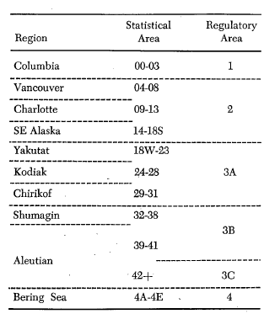
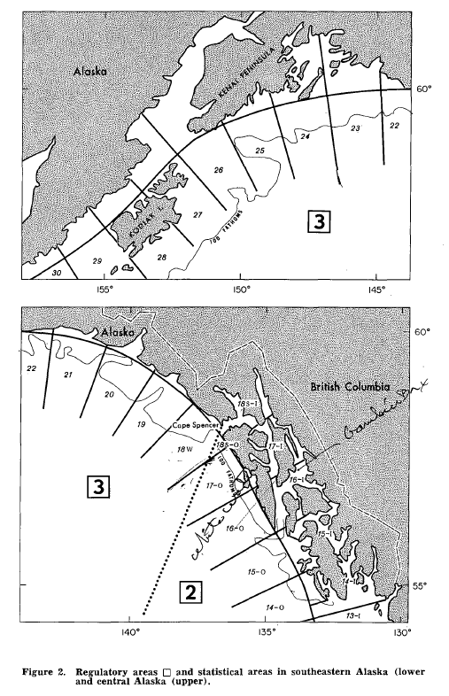
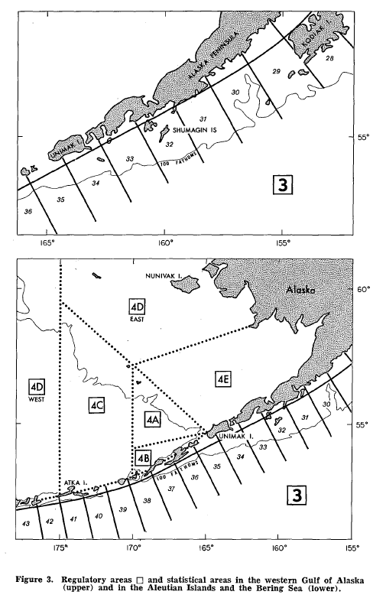
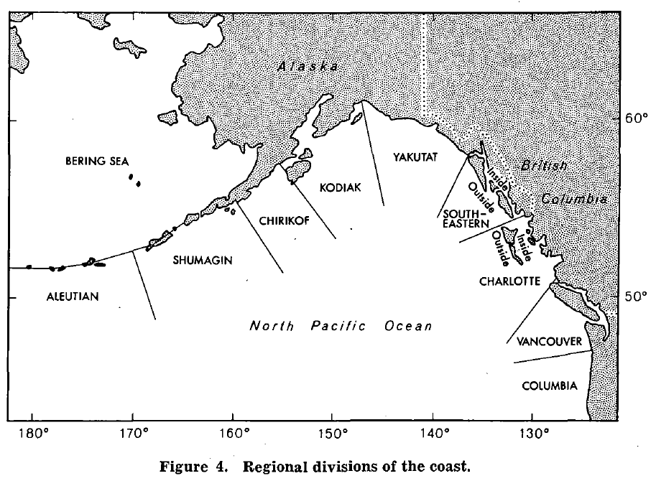
IPHC Stat Area | IPHC Regulatory Area | IPHC Region | IPHC Region 2 | IPHC Region 3 | POW
14-O | 2 | SE Alaska | SE-O | 2C
14-I | 2 | SE Alaska | SE-I | 2C
15-O | 2 | SE Alaska | SE-O | 2C
15-I | 2 | SE Alaska | SE-I | 2C
16-O | 2 | SE Alaska | SE-O | 2C
16-I | 2 | SE Alaska | SE-I | 2C
17-O | 2 | SE Alaska | SE-O | 2C
17-I | 2 | SE Alaska | SE-I | 2C
18-O | 2 | SE Alaska | SE-O | 2C
18-I | 2 | SE Alaska | SE-I | 2C
18W | 3A | Yakutat | Yakutat | 3A
19 | 3A | Yakutat | Yakutat | 3A
20 | 3A | Yakutat | Yakutat | 3A
21 | 3A | Yakutat | Yakutat | 3A
22 | 3A | Yakutat | Yakutat | 3A
23 | 3A | Yakutat | Yakutat | 3A | POW
24 | 3A | Kodiak | Kodiak | 3A | POW
25 | 3A | Kodiak | Kodiak | 3A
26 | 3A | Kodiak | Kodiak | 3A
27 | 3A | Kodiak | Kodiak | 3A
28 | 3A | Kodiak | Kodiak | 3A
29 | 3A | Chirikof | Chirikof | 3A
30 | 3A | Chirikof | Chirikof | 3A
31 | 3A | Chirikof | Chirikof | 3A
32 | 3B | Shumagin | Shumagin | 3B
33 | 3B | Shumagin | Shumagin | 3B
34 | 3B | Shumagin | Shumagin | 3B
35 | 3B | Shumagin | Shumagin | 3B
36 | 3B | Shumagin | Shumagin | 3B
37 | 3B | Shumagin | Shumagin | 3B
38 | 3B | Shumagin | Shumagin | 3B
39 | 3B | Aleutian | Aleutian | 3B
40 | 3B | Aleutian | Aleutian | 3B
41 | 3B | Aleutian | Aleutian | 3B
42+ | 3C | Aleutian | Aleutian | 3C
4A | 4 | Bering Sea | Bering Sea | 4
4B | 4 | Bering Sea | Bering Sea | 4
4C | 4 | Bering Sea | Bering Sea | 4
4DE | 4 | Bering Sea | Bering Sea | 4
4DW | 4 | Bering Sea | Bering Sea | 4
4E | 4 | Bering Sea | Bering Sea | 4

AREA DEFINITIONS, 1975-1982
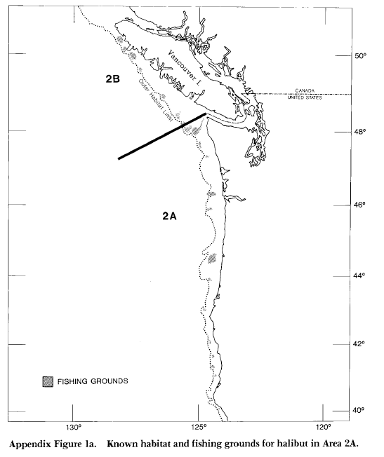
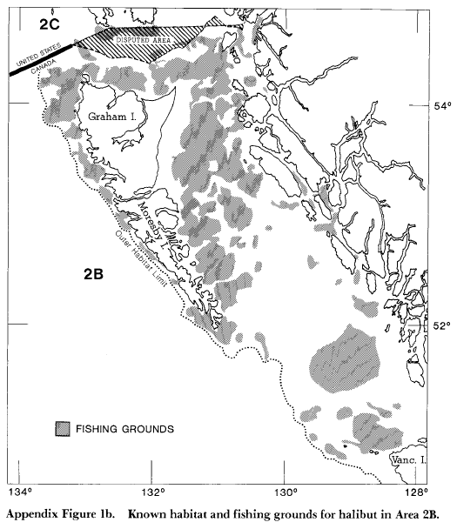
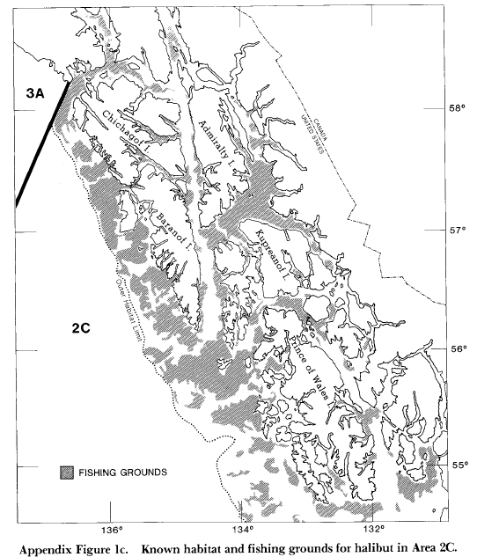

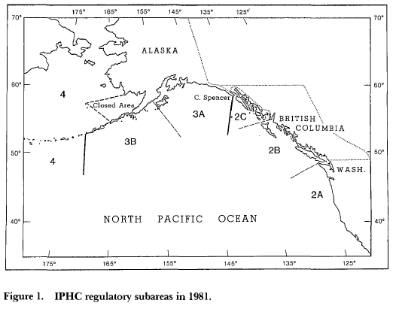

AREA DEFINITIONS, 1982-present
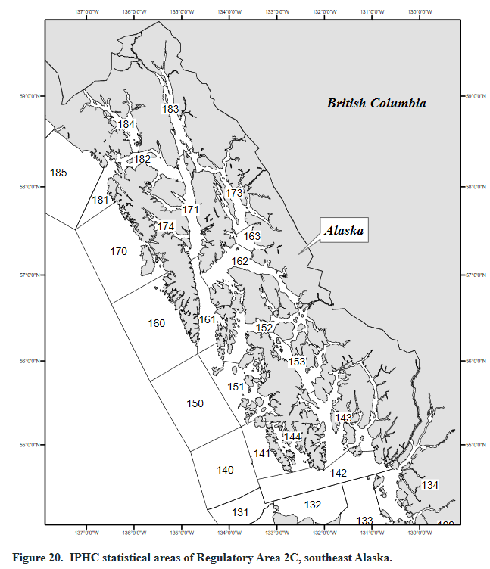
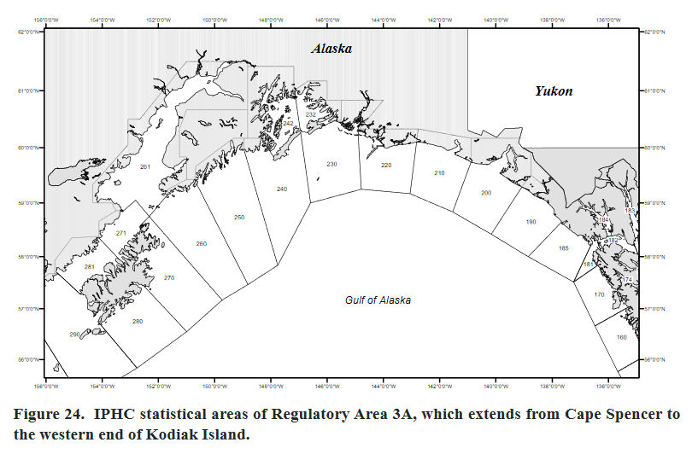
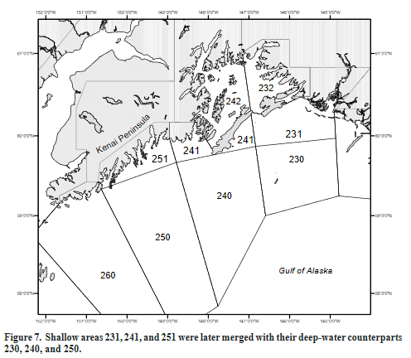
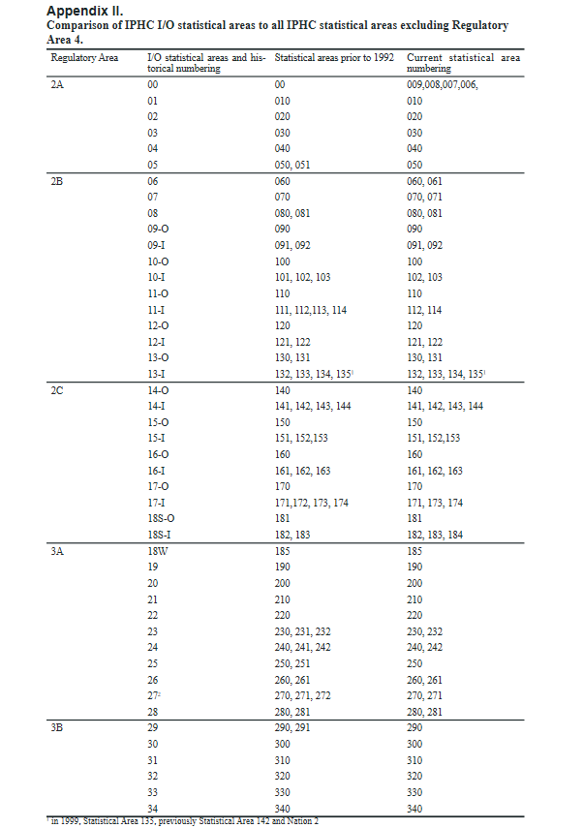
IPHC Statistical Area | IPHC Regulatory Area | IPHC Region | IPHC Stat Area, 1929-1975 | IPHC Region 2, 1929-1975 | POW
8 | 2A | U.S. South
9 | 2A | U.S. South
10 | 2A | U.S. South
20 | 2A | U.S. South
30 | 2A | U.S. South
40 | 2A | U.S. South
50 | 2A | U.S. South
006/007/009 | 2A | U.S. South
007/008 | 2A | U.S. South
007/008/009 | 2A | U.S. South
007/009 | 2A | U.S. South
008/009 | 2A | U.S. South
009/010 | 2A | U.S. South
030/040 | 2A | U.S. South
60 | 2B | British Columbia
61 | 2B | British Columbia
70 | 2B | British Columbia
80 | 2B | British Columbia
81 | 2B | British Columbia
90 | 2B | British Columbia
91 | 2B | British Columbia
92 | 2B | British Columbia
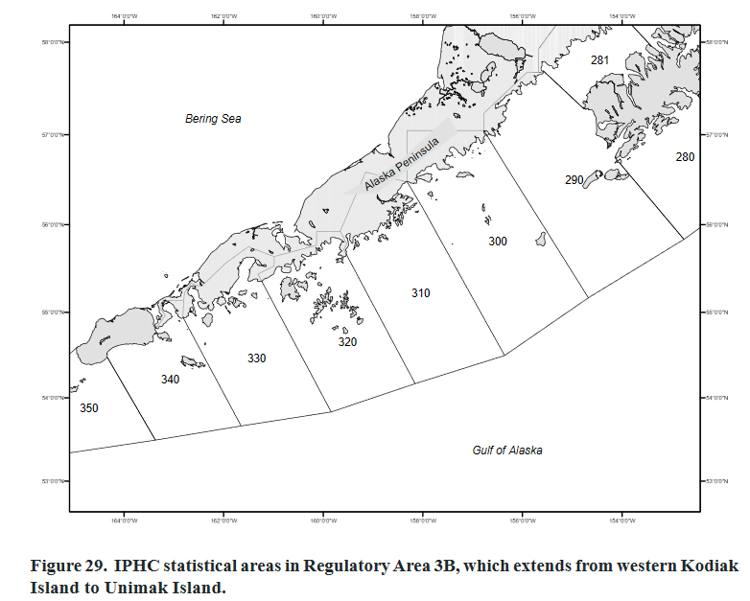
100 | 2B | British Columbia
102 | 2B | British Columbia
103 | 2B | British Columbia
110 | 2B | British Columbia
111 | 2B | British Columbia
112 | 2B | British Columbia
113 | 2B | British Columbia
114 | 2B | British Columbia
120 | 2B | British Columbia
121 | 2B | British Columbia
122 | 2B | British Columbia
130 | 2B | British Columbia
131 | 2B | British Columbia
132 | 2B | British Columbia
133 | 2B | British Columbia
134 | 2B | British Columbia
135 | 2B | British Columbia
060/061 | 2B | British Columbia
070/071 | 2B | British Columbia
080/081 | 2B | British Columbia
091/092 | 2B | British Columbia
100/102 | 2B | British Columbia
100/102/103 | 2B | British Columbia
101/102 | 2B | British Columbia
110/111 | 2B | British Columbia
121/122 | 2B | British Columbia
140 | 2C | SE Alaska | 14-O | SE-O
141 | 2C | SE Alaska | 14-I | SE-I
142 | 2C | SE Alaska | 14-I | SE-I
143 | 2C | SE Alaska | 14-I | SE-I
144 | 2C | SE Alaska | 14-I | SE-I
150 | 2C | SE Alaska | 15-O | SE-O
151 | 2C | SE Alaska | 15-I | SE-I
152 | 2C | SE Alaska | 15-I | SE-I
153 | 2C | SE Alaska | 15-I | SE-I
160 | 2C | SE Alaska | 16-O | SE-O
161 | 2C | SE Alaska | 16-I | SE-I
162 | 2C | SE Alaska | 16-I | SE-I
163 | 2C | SE Alaska | 16-I | SE-I
170 | 2C | SE Alaska | 17-O | SE-O
171 | 2C | SE Alaska | 17-I | SE-I
172 | 2C | SE Alaska | 17-I | SE-I
173 | 2C | SE Alaska | 17-I | SE-I
174 | 2C | SE Alaska | 17-I | SE-I
181 | 2C | SE Alaska | 18S-O | SE-O
182 | 2C | SE Alaska | 183-I | SE-I
183 | 2C | SE Alaska | 183-I | SE-I
184 | 2C | SE Alaska | 183-I | SE-I
140/141 | 2C | SE Alaska | 14 | SE-O
141/142 | 2C | SE Alaska | 14-I | SE-I
141/142/144 | 2C | SE Alaska | 14-I | SE-I
171/172 | 2C | SE Alaska | 17-I | SE-I
171/174 | 2C | SE Alaska | 17-I | SE-I
185 | 3A | Yakutat | 18W | Yakutat
190 | 3A | Yakutat | 19 | Yakutat
200 | 3A | Yakutat | 20 | Yakutat
210 | 3A | Yakutat | 21 | Yakutat
220 | 3A | Yakutat | 22 | Yakutat
230 | 3A | Yakutat | 23 | Yakutat | POW-O
231 | 3A | Yakutat | 23 | Yakutat | POW-O
232 | 3A | Yakutat | 23 | Yakutat | POW-I
240 | 3A | Kodiak | 24 | Kodiak | POW-O
241 | 3A | Kodiak | 24 | Kodiak | POW-O
242 | 3A | Kodiak | 24 | Kodiak | POW-I
250 | 3A | Kodiak | 25 | Kodiak
251 | 3A | Kodiak | 25 | Kodiak
260 | 3A | Kodiak | 26 | Kodiak
261 | 3A | Kodiak | 26 | Kodiak
270 | 3A | Kodiak | 27 | Kodiak
271 | 3A | Kodiak | 27 | Kodiak
272 | 3A | Kodiak | 27 | Kodiak
280 | 3A | Kodiak | 28 | Kodiak
281 | 3A | Kodiak | 28 | Kodiak
290 | 3B | Chirikof | 29 | Chirikof
291 | 3B | Chirikof | 29 | Chirikof
300 | 3B | Chirikof | 30 | Chirikof
310 | 3B | Chirikof | 31 | Chirikof
320 | 3B | Shumagin | 32 | Shumagin
330 | 3B | Shumagin | 33 | Shumagin
340 | 3B | Shumagin | 34 | Shumagin
350 | 4A | Shumagin | 35 | Shumagin
360 | 4A | Shumagin | 36 | Shumagin
370 | 4A | Shumagin | 37 | Shumagin
380 | 4A | Shumagin | 38 | Shumagin
390 | 4A | Aleutian | 39 | Aleutian
395 | 4A | Aleutian | 39 | Aleutian
370/380 | 4A | Shumagin-Aleutian | 37-38 | Shumagin-Aleutian
370/380/390 | 4A | Shumagin-Aleutian | 37-38-39 | Shumagin-Aleutian
380/390 | 4A | Shumagin-Aleutian | 38-39 | Shumagin-Aleutian
380/395 | 4A | Shumagin-Aleutian | 38-39 | Shumagin-Aleutian
390/395 | 4A | Aleutian | 39 | Aleutian
Bering Sea | 4A | Bering Sea | 4A | Bering Sea
Bering Sea | 4A/4B | Bering Sea | 4A-4B | Bering Sea
400 | 4B | Aleutian | 40 | Aleutian
410 | 4B | Aleutian | 41 | Aleutian
420 | 4B | Aleutian | 42+ | Aleutian
430 | 4B | Aleutian | 42+ | Aleutian
440 | 4B | Aleutian | 42+ | Aleutian
450 | 4B | Aleutian | 42+ | Aleutian
460 | 4B | Aleutian | 42+ | Aleutian
470 | 4B | Aleutian | 42+ | Aleutian
480 | 4B | Aleutian | 42+ | Aleutian
490 | 4B | Aleutian | 42+ | Aleutian
500 | 4B | Aleutian | 42+ | Aleutian
400/410 | 4B | Aleutian | 40-41 | Aleutian
410/420 | 4B | Aleutian | 41-42+ | Aleutian
420/430 | 4B | Aleutian | 42+ | Aleutian
430/440/450 | 4B | Aleutian | 42+ | Aleutian
430/440/450/490 | 4B | Aleutian | 42+ | Aleutian
430/450/490 | 4B | Aleutian | 42+ | Aleutian
440/450 | 4B | Aleutian | 42+ | Aleutian
440/450/460 | 4B | Aleutian | 42+ | Aleutian
440/450/490 | 4B | Aleutian | 42+ | Aleutian
440/460 | 4B | Aleutian | 42+ | Aleutian
440/460/490 | 4B | Aleutian | 42+ | Aleutian
440/480/490/500 | 4B | Aleutian | 42+ | Aleutian
440/490 | 4B | Aleutian | 42+ | Aleutian
450/460 | 4B | Aleutian | 42+ | Aleutian
450/460/470 | 4B | Aleutian | 42+ | Aleutian
450/460/470/480 | 4B | Aleutian | 42+ | Aleutian
450/460/470/490 | 4B | Aleutian | 42+ | Aleutian
450/460/480 | 4B | Aleutian | 42+ | Aleutian
450/460/490 | 4B | Aleutian | 42+ | Aleutian
450/470 | 4B | Aleutian | 42+ | Aleutian
450/470/490 | 4B | Aleutian | 42+ | Aleutian
460/470/480 | 4B | Aleutian | 42+ | Aleutian
460/480/490 | 4B | Aleutian | 42+ | Aleutian
460/480/490/500 | 4B | Aleutian | 42+ | Aleutian
460/490 | 4B | Aleutian | 42+ | Aleutian
470/480 | 4B | Aleutian | 42+ | Aleutian
480/490 | 4B | Aleutian | 42+ | Aleutian
480/490/500 | 4B | Aleutian | 42+ | Aleutian
490/500 | 4B | Aleutian | 42+ | Aleutian
Bering Sea | 4B | Bering Sea | 4B | Bering Sea
Bering Sea and GOA | 4B | Bering Sea | 4B | Bering Sea
Bering Sea | 4BCDE | Bering Sea | 4BCDE | Bering Sea
Bering Sea | 4C | Bering Sea | 4C | Bering Sea
Bering Sea | 4D | Bering Sea | 4D | Bering Sea
Bering Sea | 4DE | Bering Sea | 4DE | Bering Sea
Bering Sea | 4E | Bering Sea | 4E | Bering Sea

